Industry Information
India is the second largest producer of cement in the world with more than 8% of global installed capacity. During the year 2023-24, cement demand is estimated to have grown at a robust 10-12% to 442-447 Mn tonnes. This is after registering a healthy ~12% growth in the year 2022-23. Looking forward, the Cement market is expected to reach 599.7 Million Tons by 2032, exhibiting a growth rate (CAGR) of 4.7% during 2024-2032.
India has a lot of potential for development in the infrastructure and construction sector and the cement sector is expected to largely benefit from it. Furthermore, on the back of rising rural housing demand, the consumption of cement in India has been growing consistently as it is one of the cheapest products to buy in terms of Rs./kg. Strong expansion of the industrial sector, which has fully recovered from the COVID-19 pandemic shock, is one of the main demand drivers for the cement industry. As a result, there is a strong potential for an increase in the long-term demand for the cement industry. Some of the recent initiatives, such as the development of 98 smart cities, are expected to significantly boost the sector.
The cement sector faces challenges such as rising fuel and power costs, as well as regulatory changes, which may hinder its growth.
India is the second-largest producer of cement in the world. It accounts for more than 8% of the global installed capacity
India has a lot of potential for development in the infrastructure and construction sector and the cement sector is expected to largely benefit from it. Furthermore, on the back of rising rural housing demand, the consumption of cement in India has been growing consistently as it is one of the cheapest products to buy in terms of Rs./kg. Strong expansion of the industrial sector, which has fully recovered from the COVID-19 pandemic shock, is one of the main demand drivers for the cement industry. As a result, there is a strong potential for an increase in the long-term demand for the cement industry. Some of the recent initiatives, such as the development of 98 smart cities, are expected to significantly boost the sector. | https://www.ibef.org/industry/cement-india
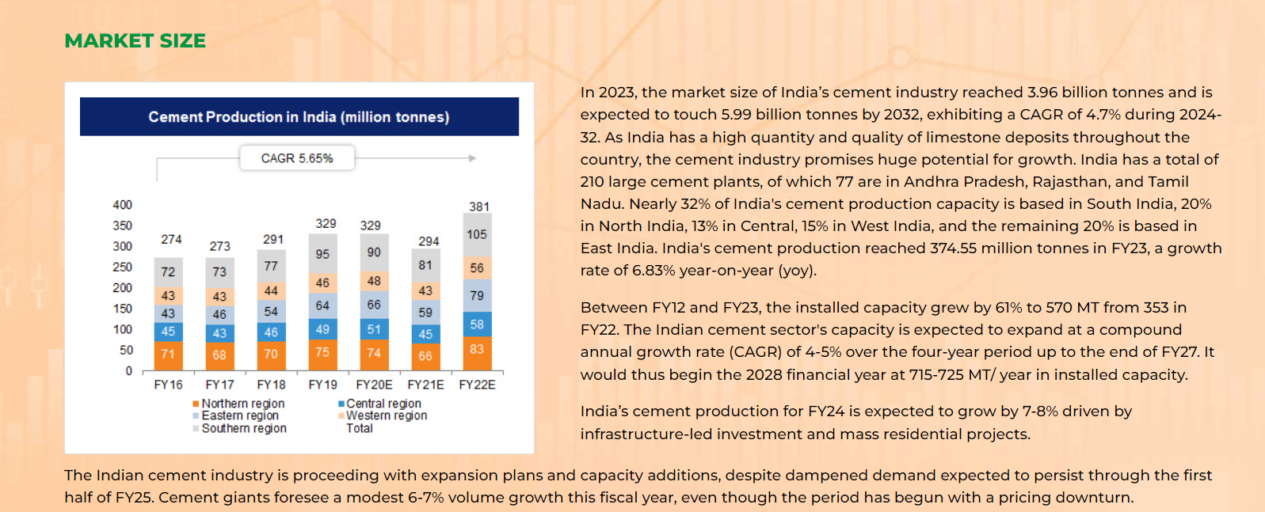

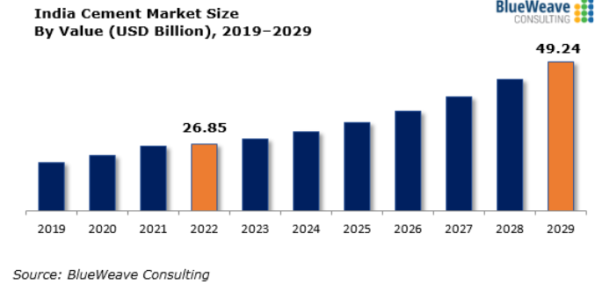
India cement market size was estimated at USD 26.85 billion in 2022. During the forecast period between 2023 and 2029, the size of India cement market is projected to grow at a CAGR of 9.05% reaching a value of USD 49.24 billion by 2029. |  |  |  | https://www.blueweaveconsulting.com/report

Major Growth Driver for Indian cement market

1. Growing need from construction and infrastructure sectors

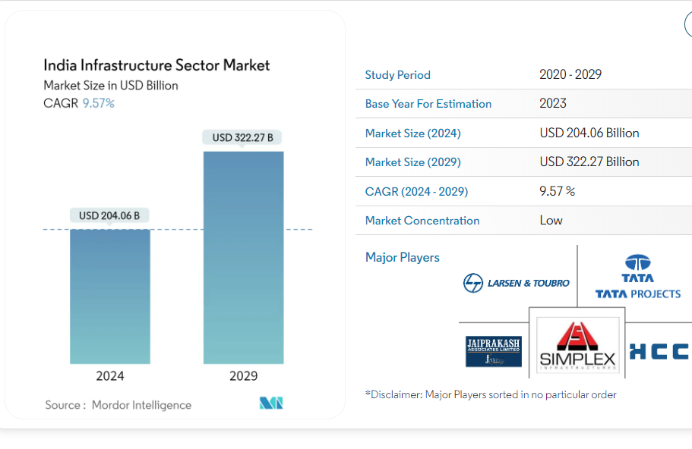

 |  | https://www.mordorintelligence.com

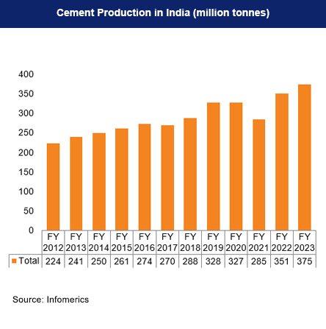

2.Rising governmental initiatives
 | https://www.ibef.org/industry/cement-india

In order to help private sector companies thrive in the industry, the Government has been approving their investment schemes. Some of the initiatives taken by the Government of late are as below:

The Union Budget allocated Rs. 13,750 crore (US$ 1.88 billion) and Rs. 12,294 crore (US$ 1.68 billion) for Urban Rejuvenation Mission: AMRUT and Smart Cities Mission and Swachh Bharat Mission.

As per the Union Budget 2023-24:
The government approved an outlay of US$ 32.57 billion (Rs. 2.7 lakh crore) for the Ministry of Road Transport and Highways which is likely to boost demand for cement.
Under the housing for all segment, in 2023-24 the budget estimate for Pradhan Mantri Awas Yojana is US$ 9.63 billion (Rs. 79,590 crore), a 66% rise from the last year’s budget estimate of US$ 6.43 billion (Rs 48,000 crore) in 2022-23.
As per Invest India, the National Infrastructure Pipeline (NIP) expanded to 9,305 projects from 7,400 projects.
Government schemes like the Pradhan Mantri Awas Yojana (PMAY) for affordable housing and PM Gati Shakti National Master Plan for infrastructure are driving cement demand. PM Gati Shakti's focus on transport networks and PMAY's expansion will further increase cement consumption in coming years.
In October 2021, Prime Minister, Mr. Narendra Modi, launched the ‘PM Gati Shakti - National Master Plan (NMP)’ for multimodal connectivity. Gati Shakti will bring synergy to create a world-class, seamless multimodal transport network in India. This will boost the demand for cement in the future.
The Union Budget allocated Rs. 13,750 crore (US$ 1.88 billion) and Rs. 12,294 crore (US$ 1.68 billion) for Urban Rejuvenation Mission: AMRUT and Smart Cities Mission and Swachh Bharat Mission.

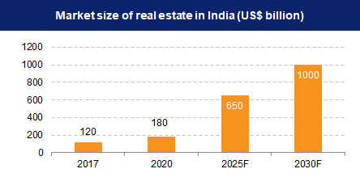
3. Investments in expansive infrastructure ventures encompassing highways, railways, airports, and public edifices |  |  | https://www.ibef.org/industry/real-estate-india
4.Positive real estate

By 2040, the real estate market will grow to Rs. 65,000 crore (US$ 9.30 billion) from Rs. 12,000 crore (US$ 1.72 billion) in 2019. Real estate sector in India is expected to reach US$ 1 trillion in market size by 2030, up from US$ 200 billion in 2021 and contribute 13% to the country’s GDP by 2025. Retail, hospitality, and commercial real estate are also growing significantly, providing the much-needed infrastructure for India's growing needs.

India’s real estate sector is expected to expand to US$ 5.8 trillion by 2047, contributing 15.5% to the GDP from an existing share of 7.3%

Indian Cement Industry Market Share2024 (listed)

5.Investments from international players

Aided by suitable Government foreign policies, several foreign players such as Lafarge-Holcim, Heidelberg Cement, and Vicat have invested in the country in the recent past. A significant factor which aids the growth of this sector is the ready availability of raw materials for making cement, such as limestone and coal.

Foreign investors pump around US$ 4 billion yearly into Indian real estate, with a 20% YoY increase in foreign inflows in 2023.
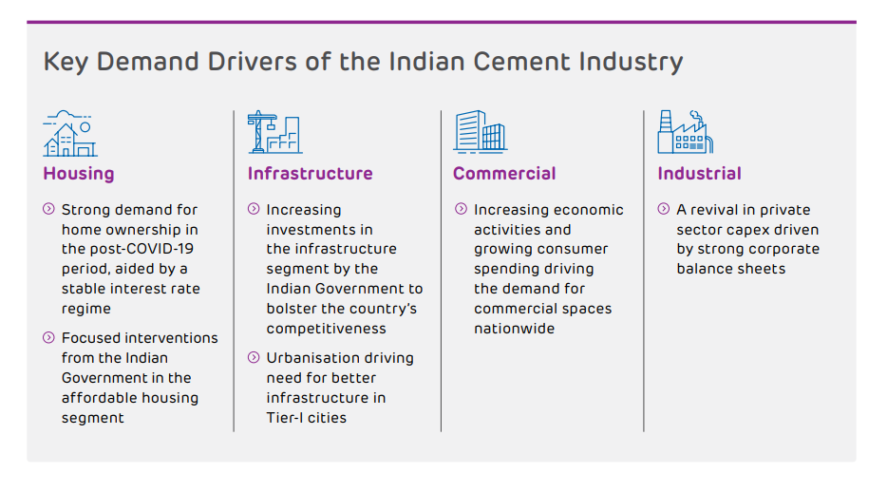

 |  |  |  | Indian Cement Industry Market Share 2024(Listed Company)

 |  | Ultratech Cement | 30.20%
 |  | ACC Cement | 9.60%
 |  | Shree Cement Ltd | 8.50%
 |  | Ambuja Cement | 8.30%
 |  | Dalmia Bharat | 6.70%
 |  | Others | 36.60%

Market Size Information
 | Revenue Growth(Billion $)

Market Size In billion dollar
 |  |  | 2022A | 2023A | 2024A | 2025F | 2026F | 2027F | 2028F | 2029F | 2030F | CAGR
 | Blue Weave Consulting |  | 26.85 | 30.05 | 33.25 | 36.45 | 39.64 | 42.84 | 46.04 | 49.24 |  | 9.05% |  | https://www.blueweaveconsulting.com/report/india-cement-market#:~:text=India%20cement%20market%20size%20was,USD%2049.24%20billion%20by%202029.
 |  |  |  | 11.91% | 10.64% | 9.62% | 8.78% | 8.07% | 7.47% | 6.95%

 | Techschi Research |  |  |  | 26.02 | 28.64 | 31.27 | 33.89 | 36.51 | 39.14 | 41.76 | 8.20% |  | https://www.techsciresearch.com/report/india-cement-market/4110.html
 |  |  |  |  |  | 10.08% | 9.16% | 8.39% | 7.74% | 7.18% | 6.70%

 | Yahoo Finance |  | 26.02 | 29.24 | 32.46 | 35.68 | 38.90 | 42.11 | 45.33 | 48.55 | 51.77 | 8.98% |  | https://finance.yahoo.com/news/india-cement-market-report-2022-112300575.html
 |  |  |  | 12.37% | 11.01% | 9.92% | 9.02% | 8.28% | 7.64% | 7.10% | 6.63%

 | Median |  |  |  |  |  |  |  |  |  |  | 8.98%

Volume Growth(Million tons) |  |  |  |  |  |  |  |  |  |  |  |  |  |  |  |  |  |  |  |  |  |  |  | -1

 |  | 2022 | 2023 | 2024 | 2025 | 2026 | 2027 | 2028 | 2029 | 2030 | 2031 | 2032 | CAGR
Imarc Group |  |  | 396.70 | 425.0 | 460.0 | 482.6 | 505.1 | 527.7 | 550.2 | 572.8 | 595.3 | 599.70 | 4.70% | https://www.imarcgroup.com/india-cement-market
Mordor Intelligence |  |  |  | 413.95 | 445.405 | 476.86 | 508.315 | 539.77 | 571.225 | 602.68 |  |  | 6.46% | https://www.mordorintelligence.com/industry-reports/india-cement-market

 |  |  |  |  |  |  |  |  |  |  |  |  |  |  | 2017A | 2018A | 2019A | 2020A | 2021A | 2022A | 2023A | 2024A | 2025F | 2026F | 2027F
Median |  |  | 396.70 | 419.48 | 452.70 | 479.71 | 506.71 | 533.72 | 560.72 | 587.73 | 595.33 | 599.70 | 4.70% |  | 1294.6 | 2526.2 | 1922.4 | 1540.4 | 1129.1 | 2209.4 | 3279.4 | 3169.5 | 4166 | 4166 | 4166

Capex
 |  |  |  | 419.25555556 | 441.81111111 | 464.36666667 | 486.92222222 | 509.47777778 | 532.03333333 | 554.58888889 | 577.14444444 | 599.7

2019A | 2020A | 2021A | 2022A | 2023A | 2024F | 2025F | 2026F | 2027F | 2028F | 2029F | 2030F | 2031F | 2032F
328 | 327 | 285 | 351 | 396.7 | 425 | 460 | 482.6 | 505.1 | 527.7 | 550.2 | 572.8 | 595.3 | 599.7

Volume Growth

 |  |  |  |  |  |  |  |  |  |  |  |  |  | Shree Cement plans to invest Rs 2,000 crore (US$ 240 million) to expand its cement production capacity in Uttar Pradesh by nearly 7 million tonnes annually over the next 24 months. The expansion includes new 3.5 MTPA facilities in Etah and Prayagraj, initiated under an MoU with the state government.
 |  |  |  |  |  |  |  |  |  |  |  |  |  | Shree Cement announces US$ 844 million (Rs. 7,000 crore) investment for 12 million tonnes capacity expansion in India, including clinker manufacturing plants in Rajasthan and Karnataka, along with cement plants in Rajasthan, Uttar Pradesh, and Karnataka by March 2025 .

 |  |  |  |  |  |  |  |  |  |  |  |  |  | A prime reason the company could achieve this is because it is the lowest cost cement producer. It costs Rs 2,684 on average for the company to produce a tonne of cement. For its large peers such as UltraTech Cement, ACC, Ambuja Cements, and The Ramco Cements, it is in the range of Rs 3,700-4,080 per tonne.

Company Information
# | Revenue Growth

 | Company historical Growth

 | Particular | 2014 | 2015 | 2016 |  | 2017 | 2018 | 2019 | 2020 | 2021 | 2022 | 2023 | 2024 |  | CAGR 3 Year | CAGR 5 Year | CAGR 7 Year | CAGR 9 Year

 | Revenue From operation | 5,998.00 | 6,625.00 | 5,690.00 |  | 8,487.00 | 9,834.00 | 12,554.90 | 12,867.90 | 13,559.70 | 15,009.10 | 17,852.70 | 20,521.00 |  | 14.81% | 10.33% | 13.44% | 13.39%
 | Sales Growth |  | 10.45% | -14.11% |  | 49.16% | 15.87% | 27.67% | 2.49% | 5.38% | 10.69% | 18.95% | 14.95%

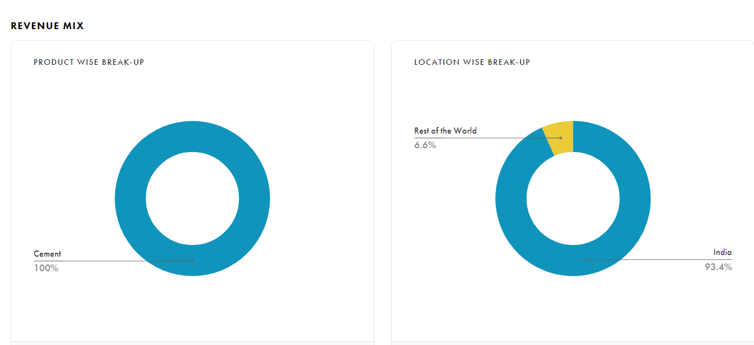
The Company has posted a revenue of 20,521 Crores in FY 2024. The revenue has been grown at a CAGR of 14.81% qnd 10.33% during the last 3 and 5 years respectively.
During the year the cemeny demand remained robust, as there was significant a growth
infrastructure spending. The Management is not very specific about the revenue growth however, Company's focus on expansion, sale of premium product and consistent delivery of quality product is expected to accelarate the revenue growth of the company
The Analyst's consensus gorwth for 2025 is 22320 which is 7.9% growth over the FY 2024 Revenue of INR 20520.
we assume that the company will grow at a rate of 13.5% considering challenges and opportunites that the cement sector have.

Region Wise Revenue Break-up
India | 6.60% | FY2017 | FY2018 | FY2019 | FY2020 | FY2021 | FY2022 | FY2023 | FY2024 | FY2025 | FY2026 | FY2027
Rest of the World | 93.40%

 |  |  |  |  |  |  |  |  |  |  |  |  |  |  |  |  |  |  |  |  |  | FY2017 | FY2018 | FY2019 | FY2020 | FY2021 | FY2022 | FY2023 | FY2024 | FY2025 | FY2026 | FY2027 | FY2028

 | Company Revenue Growth Consensus Estimate(In Crores) | 2024A | 2025E | 2026E |  |  | India | 6.60%
 |  |  |  |  |  |  | Rest of the World | 93.40%
 | KRChoksey | 20,520.98 | 22,320.00 | 25,627.50
 | Growth |  | 8.77% | 14.82%

 | IDBI Capital | 20,520.98 | 21,536.10 | 24,578.20
 | Growth |  | 4.95% | 14.13%

 | BP Wealth | 20,520.98 | 22,553.00 | 25,549.00
 | Growth |  | 9.90% | 13.28%

 | Average Revenue Eatimate | 20,520.98 | 22,136.37 | 25,251.57
 |  |  | 7.87% | 14.07%

 | Gross Margins

 | Company Gross Margins

 | Particular | 2014 | 2015 | 2016 |  | 2017 | 2018 | 2019 | 2020 | 2021 | 2022 | 2023 | 2024 |  | Median | Average

 | Gross Margins | 90.72% | 89.82% | 88.89% |  | 91.87% | 92.85% | 92.22% | 92.50% | 92.23% | 93.27% | 92.33% | 92.52% |  | 92.22% | 91.67%
 |  |  |  |  |  |  |  |  |  |  |  |  |  |  | 92.50% | 92.42%

During FY24, there was a slight increase of 19 basis points in the gross margins. The gross margins have remained very consistent over the last five years, with a median of 92.50% and an average of 92.42% for this period. Much of this can be attributed to close control over procurment of various raw material, which constitute the majority of cost of goods sold and ~7.5% of revenue.
The consensus estimate for the gross margins for is 91.75% for Fy2025 and 91.54% for Fy2026. The gross margins as per our research for construction supplies sectors for India is ~50.57%, while for emerging market the gross marginis ~21.05% and for global markets the gross margins is ~23.76%.
 | Sector Data - Damodaran

 | just India
 | Cement | 50.57%

 | Emerging Markets
 | Cement | 21.05%

 | Global
 | Cement | 23.76

 | Shortage of critical natural resources and impact of extreme weather events

 | Raw material scarcity can impact production, supply chain operations and our business profitability. The rising difference between demand and supply of natural resources such as coal are areas of concern. In addition to this, the occurrence of extreme weather events can also create business disruptions by impacting the supply of critical raw materials.
 | There is an increased risk of supply chain disruption in the operations due to raw material shortage/crisis and extreme weather events. • Cement industry is highly dependent on transportation of fuel such as coal. The unavailability and disruption of supply chain and transportation may directly impact the production capability

 | Reducing dependency on conventional fuel (coal and pet coke) and transitioning to alternative fuel sources by continuously increasing its usage. • Strategic expansion of operations in new geographies where availability of critical raw materials is not a challenge.

 | Ensuring Raw Material Security

 | Limestone and Coal Mine
 | We actively participate in limestone mine bidding processes to secure essential resources for our operations. We have eight existing operational mines with approximate 2,800 Million Tonnes of limestone reserves. Further bolstering our resource base, we have secured limestone mines at five new locations with around 500 Million Tonnes mineable reserves.Furthermore, to cater to our captive requirements, we have secured a dedicated coal mine in Chhattisgarh with coal reserves of 4.3 Million Tonnes.

 | Procurement of Raw Materials

 | We have entered into agreements and contracts for the procurement of various raw materials. These agreements cover a wide range of materials including fly ash, gypsum, slag, and other materials associated with clinker and cement production. During the reporting year, more than 90% of our raw materials were sourced through these agreements and contracts. This streamlined approach ensures consistent availability and reliability in our supply chain, supporting our operational efficiency and continuity

 | In the current year, we replaced 11.39 million tonnes of raw materials with alternative raw materials i.e. by-products and waste from other industries, such as fly ash, GBFS slag, chemical gypsum among others. Alternative raw materials constituted 24.41% of total raw materials consumption in the current year as compared to27.97% in the previous year.The other raw materials include limestone,additives, gypsum, bed ash,sludge, low grade limestone etc

 | We have pioneered in manufacturing of synthetic gypsum in-house by using hazardous waste from other industry (spent acid) and low-grade limestone through a patented process. Currently, we have synthetic gypsum manufacturing facilities at Beawar and Ras in Rajasthan reducing our reliance on natural gypsum.

 | The Company is utilizing synthetic gypsum being produced captively to replace the consumption of mineral gypsum. The Company has been making constant efforts to enhance proportion of blended cement in its overall production so as to increase usage of fly ash and GBF Slag and thereby, reduce use of clinker to save natural resources such as limestone and fossil fuels. The Company’s alternative raw material consumption stood at 11.39 MMT making up to 24.41 % within total raw material consumption during FY 2023-24.

 | Despite inflationary pressures, the procurement cost of various raw materials of the Company was kept within control on account of pro-active procurement strategy and well diversified sourcing. Because of increased volumes, however, the cost of raw material consumed went up to ₹1,465 crore as against ₹1,300 crore during the previous year. The Company continued its focus on usage of alternative raw materials and enhanced capacity of using synthetic gypsum.

 | : The Company is utilizing synthetic gypsum being produced captively to replace the consumption of mineral gypsum. The Company has been making constant efforts to enhance proportion of blended cement in its overall production so as to increase usage of fly ash and GBF Slag and thereby, reduce use of clinker to save natural resources such as limestone and fossil fuels. The Company’s alternative raw material consumption stood at 11.39 MMT making up to 24.41 % within total raw material consumption during FY 2023-24.

 | Cost of material Consumed | 31.03.24 | 31.03.23

 | Gypsum | 207.98 | 216.77
 | Fly Ash | 527.85 | 524.94
 | Red ochre and Slag | 150.94 | 148.32
 | Sulphuric acid | 73.16 | 51.25
 | others | 687.52 | 476.44

 | Gypsum Market in India

 | India has a scarcity of domestic gypsum supplies, which does not bode well for the fast-growing cement industry. An essential, non-substitutable critical raw material, gypsum is required for all varieties of cement production. |  | https://indiancementreview.com/2023/07/17/scarcity-of-domestic-gypsum-supply-2/
 | Since 2009, the gypsum supply deficit in the Indian domestic market has led to increased dependence on largely imports of natural gypsum predominantly from the Sultanate of Oman, and other countries like Iran, Thailand, small volume from Pakistan and Bhutan by road to the northern part of India. This dependency shall continue in coming years and is growing day by day.
 | According to the production growth of cement and gypsum board, the industry’s demand for gypsum is expected to reach nearly 380 million tons cumulatively by FY 2037-2038 with a CAGR of 5.15 per cent. The maximum local gypsum supplies could be around 200 million tons, which includes FGD gypsum, Phospho-gypsum, Natural gypsum etc. The limited availability of domestic gypsum will lead to supply constraints and increased dependence on imports, cumulatively needing to import nearly 180 million tonnes of gypsum to meet the domestic demands.

 | Fly ash Market

 | Overall, the price of fly ash in India is expected to grow moderately, with fluctuations depending on regional demand, supply chain factors, and regulatory developments. Analysts forecast a gradual increase in prices, driven by sustained demand from the construction sector and potential supply constraints. However, the exact rate of increase will depend on the balance between these factors​

 | Slag market in India

 | The fly ash market in India is expected to grow significantly in the coming years, driven by the booming construction sector and government initiatives promoting the use of sustainable materials. The market is projected to grow at a compound annual growth rate (CAGR) of around 6.2% from 2024 to 2032, reflecting increasing demand for fly ash in applications such as cement and concrete production, road stabilization, and waste management.

# | Gross margins Street estimate

 | KR Choksey | 2022 | 2023 | 2024 | 2025 | 2026

 | Total Revenue | 150096 | 178523 | 205210 | 223200 | 256275
 | Expenses | 10382 | 14324 | 15698 | 18342 | 21681
 | Gross Profits | 139714 | 164199 | 189512 | 204858 | 234594
 | Gross Margins | 93.08% | 91.98% | 92.35% | 91.78% | 91.54% | 91.98%

 | IDBI Capital

 | Total Revenue | 143059 | 168375 | 195855 | 215361 | 245782
 | Expenses | 10983 | 14496 | 17230 | 22354 | 23587
 | Gross Profits | 132076 | 153879 | 178625 | 193007 | 222195
 | Gross Margins | 92.32% | 91.39% | 91.20% | 89.62% | 90.40% | 91.20%

 | BP Wealth

 | Total Revenue | 150100 | 178520 | 205210 | 225533 | 255596
 | Expenses | 10403 | 14429 | 15701 | 18596 | 18976
 | Gross Profits | 139697 | 164091 | 189509 | 206937 | 236620
 | Gross Margins | 93.07% | 91.92% | 92.35% | 91.75% | 92.58% | 92.35%

 | Median | 93.07% | 91.92% | 92.35% | 91.75% | 91.54% | 91.98%

 | SG&A Expenses

# | Company SG&A Expenses

# | Particular | Jun2014 | Jun2015 | Mar2016 | Mar2017 | Mar2018 | Mar2019 | Mar2020 | Mar2021 | Mar2022 | Mar2023 |  | CAGR 3 Year | CAGR 5 Year | CAGR 7 Year | CAGR 9 Year

 | Revenue From operations | 5,998.0 | 6,625.0 | 5,690.0 | 8,487.0 | 9,834.0 | 12,554.9 | 12,867.9 | 13,559.7 | 15,009.1 | 17,852.7 |  | 11.53% | 12.67% | 17.74% | 12.88%
 | Growth YOY % |  | 10.45% | -14.11% | 49.16% | 15.87% | 27.67% | 2.49% | 5.38% | 10.69% | 18.95%
Low Cost reason
. Our drive to greening our energy supply sources has helped us rationalise our costs as well has helped us to score an industry-leading mark of 56% green share in overall electricity consumption.
urned this into an opportunity. Today, the majority of our grinding units use agrowaste. This has not only proven to be more economical but also represents a small step from our side towards addressing the issue of stubble-burning.
We continue to optimise costs by focusing on process improvement, automation, digitialisation and operational excellence
The proportion of low cost green electricity in the total electricity consumption has increased over the years resulting in optimisation of cost of electricity
By strategically locating railway sidings, we aim to streamline our logistics operations, reduce transportation costs, and improve overall supply chain efficiency. We further aim to rationalise freight costs and establish alternative transportation capabilities .
Cement industry has benefited during FY24 with easing input costs. International coal / imported prices, which had witnessed a sharp rise during FY23 dropped during the year. As a result, the power & fuel cost, which forms a sizable cost of the cement industry also witnessed declining trend. Coupled with this, the positive operating leverage helped industry improve operating margins during the year.
 | SG&A Expenses | 4053.3 | 4605.9 | 3652.1 | 5429.6 | 6658.9 | 8782.3 | 8147.4 | 8426 | 10294.2 | 13559.7 |  | 18.51% | 15.28% | 20.61% | 14.36%
 | Growth YOY % |  | 13.63% | -20.71% | 48.67% | 22.64% | 31.89% | -7.23% | 3.42% | 22.17% | 31.72%

 | Historical SG&A Expenses Analysis

 | Profit And Loss | Jun2015 | Mar2016 | Mar2017 | Mar2018 | Mar2019 | Mar2020 | Mar2021 | Mar2022 | Mar2023 | Mar2024 | TTM | 3Y CAGR(%) | 5Y CAGR(%)
 |  |  |  |  |  |  |  |  |  |  |  |  |  |  |  |  | 1
 | Revenue | 6,625.00 | 5,690.00 | 8,487.00 | 9,834.00 | 12,554.90 | 12,867.90 | 13,559.70 | 15,009.10 | 17,852.70 | 20,521.00

 | Employee Benefit Expenses | 455.00 | 369.90 | 537.20 | 588.00 | 767.20 | 854.00 | 869.20 | 913.50 | 977.80 | 1,064.40 | 0 | 6.9% | 6.8%
 | : Power & Fuel Cost | 1,579.80 | 1,123.00 | 1,444.30 | 1,979.70 | 3,092.60 | 2,702.70 | 2,397.90 | 3,620.20 | 6,080.70 | 6,345.20 | 0 | 37.9% | 15.5%
 | : Rent , Rates & Taxes | 20.3 | 28.5 | 46.1 | 39 | 34.5 | 26.4 | 58.9 | 27.6 | 32.1 | 22.4 | 0 | -27.3% | -8.3%
 | : Insurance | 2.3 | 2.1 | 3.5 | 4.2 | 8.1 | 9.3 | 14.6 | 16.4 | 19.3 | 23.4 | 0 | 16.8% | 23.8%
 | : Printing and stationery | 0 | 0 | 0 | 0 | 0 | 0 | 0 | 0 | 0 | 0 | 0 | 0.0% | 0.0%
 | : Professional and legal fees | 0 | 0 | 0 | 0 | 0 | 0 | 0 | 0 | 76.9 | 72.9 | 0 | 0.0% | 0.0%
 | : Traveling and conveyance | 27.1 | 23.9 | 34 | 34.3 | 41.5 | 39.8 | 32.4 | 34.5 | 44 | 61 | 0 | 23.2% | 8.0%
 | : Other Administration | 2.4 | 2.6 | 4.1 | 4.3 | 5.6 | 5.7 | 5.7 | 4.1 | 4.9 | 4.5 | 0 | -7.8% | -4.3%
 | : Selling and Distribution Expenses | 1,632.50 | 1,271.40 | 2,096.70 | 2,729.50 | 3,166.50 | 2,941.50 | 3,425.60 | 3,694.70 | 4,190.60 | 4,607.40 | 0 | 10.3% | 7.8%
 | : Handling and Clearing Charges | 0 | 0 | 0 | 0 | 0 | 0 | 0 | 0 | 0 | 0 | 0 | 0.0% | 0.0%
 | : Bad debts /advances written off | 0.2 | 0 | 0 | 0 | 0 | 0 | 0 | 0.1 | 0.6 | 1.5 | 0 | 0.0% | 0.0%
 | : Provision for doubtful debts | 0 | 0 | 0 | 0.4 | 0.6 | 4.3 | 20.6 | 6 | 0.2 | 0 | 0 | 0.0% | 0.0%
 | : Losson disposal of fixed assets(net) | 0 | 0 | 0 | 0 | 0 | 0 | 0 | 0 | 0 | 0 | 0 | 0.0% | 0.0%
 | : Losson foreign exchange fluctuations | 15.9 | 2.6 | 21.4 | 17.8 | 148.9 | 0.7 | 0.3 | 0 | 0 | 0 | 0 | 0.0% | 0.0%
 | : Losson sale of non-trade current investments | 0 | 0 | 0 | 0 | 0 | 3.4 | 0 | 0 | 4.8 | 22.8 | 0 | 0.0% | 0.0%
 | : Other Miscellaneous Expenses | 102.5 | 107.9 | 206 | 169 | 237.1 | 257.1 | 266.1 | 274.3 | 203.6 | 223 | 0 | -6.4% | -1.7%
 | : Less: Expenses Capitalised | 0 | 0 | 0 | 0 | 0 | 0 | 0 | 0 | 0 | 0 | 0 | 0.0% | 0.0%
 | :Operating and Direct Expenses | 767.8 | 719.3 | 1,036.10 | 1,092.40 | 1,281.00 | 1,303.50 | 1,334.50 | 1,703.10 | 1,894.00 | 2,050.20 | 0 | 15.2% | 9.9%

 | Total SG&A Expenses | 4605.8 | 3651.2 | 5429.4 | 6658.6 | 8783.6 | 8148.4 | 8425.8 | 10294.5 | 13529.5 | 14498.7

 | SG&A Expenses % of sales | 69.52% | 64.17% | 63.97% | 67.71% | 69.96% | 63.32% | 62.14% | 68.59% | 75.78% | 70.65% |  | 68.15% | 67.58%

 | Particular | Jun2015 | Mar2016 | Mar2017 | Mar2018 | Mar2019 | Mar2020 | Mar2021 | Mar2022 | Mar2023 | Mar2024 |  | Median | Average

 | Employee Benefit Expenses | 9.88% | 10.13% | 9.89% | 8.83% | 8.73% | 10.48% | 10.32% | 8.87% | 7.23% | 7.34% |  | 9.38% | 9.17%
 | : Power & Fuel Cost | 34.30% | 30.76% | 26.60% | 29.73% | 35.21% | 33.17% | 28.46% | 35.17% | 44.94% | 43.76% |  | 33.73% | 34.21%
 | : Rent , Rates & Taxes | 0.44% | 0.78% | 0.85% | 0.59% | 0.39% | 0.32% | 0.70% | 0.27% | 0.24% | 0.15% |  | 0.42% | 0.47%
 | : Insurance | 0.05% | 0.06% | 0.06% | 0.06% | 0.09% | 0.11% | 0.17% | 0.16% | 0.14% | 0.16% |  | 0.10% | 0.11%
 | : Printing and stationery | 0.00% | 0.00% | 0.00% | 0.00% | 0.00% | 0.00% | 0.00% | 0.00% | 0.00% | 0.00% |  | 0.00% | 0.00%
 | : Professional and legal fees | 0.00% | 0.00% | 0.00% | 0.00% | 0.00% | 0.00% | 0.00% | 0.00% | 0.57% | 0.50% |  | 0.00% | 0.11%
 | : Traveling and conveyance | 0.59% | 0.65% | 0.63% | 0.52% | 0.47% | 0.49% | 0.38% | 0.34% | 0.33% | 0.42% |  | 0.48% | 0.48%
 | : Other Administration | 0.05% | 0.07% | 0.08% | 0.06% | 0.06% | 0.07% | 0.07% | 0.04% | 0.04% | 0.03% |  | 0.06% | 0.06%
 | : Selling and Distribution Expenses | 35.44% | 34.82% | 38.62% | 40.99% | 36.05% | 36.10% | 40.66% | 35.89% | 30.97% | 31.78% |  | 35.97% | 36.13%
 | : Handling and Clearing Charges | 0.00% | 0.00% | 0.00% | 0.00% | 0.00% | 0.00% | 0.00% | 0.00% | 0.00% | 0.00% |  | 0.00% | 0.00%
 | : Bad debts /advances written off | 0.00% | 0.00% | 0.00% | 0.00% | 0.00% | 0.00% | 0.00% | 0.00% | 0.00% | 0.01% |  | 0.00% | 0.00%
 | : Provision for doubtful debts | 0.00% | 0.00% | 0.00% | 0.01% | 0.01% | 0.05% | 0.24% | 0.06% | 0.00% | 0.00% |  | 0.00% | 0.04%
 | : Losson disposal of fixed assets(net) | 0.00% | 0.00% | 0.00% | 0.00% | 0.00% | 0.00% | 0.00% | 0.00% | 0.00% | 0.00% |  | 0.00% | 0.00%
 | : Losson foreign exchange fluctuations | 0.35% | 0.07% | 0.39% | 0.27% | 1.70% | 0.01% | 0.00% | 0.00% | 0.00% | 0.00% |  | 0.04% | 0.28%
 | : Losson sale of non-trade current investments | 0.00% | 0.00% | 0.00% | 0.00% | 0.00% | 0.04% | 0.00% | 0.00% | 0.04% | 0.16% |  | 0.00% | 0.02%
 | : Other Miscellaneous Expenses | 2.23% | 2.96% | 3.79% | 2.54% | 2.70% | 3.16% | 3.16% | 2.66% | 1.50% | 1.54% |  | 2.68% | 2.62%
 | : Less: Expenses Capitalised | 0.00% | 0.00% | 0.00% | 0.00% | 0.00% | 0.00% | 0.00% | 0.00% | 0.00% | 0.00% |  | 0.00% | 0.00%
 | :Operating and Direct Expenses | 16.67% | 19.70% | 19.08% | 16.41% | 14.58% | 16.00% | 15.84% | 16.54% | 14.00% | 14.14% |  | 16.20% | 16.30%

 | Total SG&A Expenses | 100.00% | 100.00% | 100.00% | 100.00% | 100.00% | 100.00% | 100.00% | 100.00% | 100.00% | 100.00%

 | Particular | Jun2015 | Mar2016 | Mar2017 | Mar2018 | Mar2019 | Mar2020 | Mar2021 | Mar2022 | Mar2023 | Mar2024 |  | Median | Average
During the FY2023, the company's EBITDA margin was around 21.9% which is approximately 500 BPS higher then FY2022 (16.5%). The reason for this increase as highlated by management was due to rising volumes, Lower fuel cost, operating efficiency and major thurst on digital initiatives.
The past trends shows that the SG&A is about 67.58% of sales. The major expenses contributing to SG&A includes power & fuel cost (22.42% of revenue), operating & Direct expenses (10.86% of sales), Selling & distribution expenses (24.63% of revenue) and Employee Benefit expenses (6.22% of revenue)
We assume SG&A expenses to remain at 67.58% level as percentage of revenue which aligns with management guidence.
 | Revenue | 6,625.00 | 5,690.00 | 8,487.00 | 9,834.00 | 12,554.90 | 12,867.90 | 13,559.70 | 15,009.10 | 17,852.70 | 20,520.00

 | Employee Benefit Expenses | 455.00 | 369.90 | 537.20 | 588.00 | 767.20 | 854.00 | 869.20 | 913.50 | 977.80 | 1,064.40 |  | 810.60 | 739.62
 | Employee Benefit Expenses % of Sales | 6.87% | 6.50% | 6.33% | 5.98% | 6.11% | 6.64% | 6.41% | 6.09% | 5.48% | 5.19% |  | 6.22% | 6.16%

 | : Power & Fuel Cost | 1,579.80 | 1,123.00 | 1,444.30 | 1,979.70 | 3,092.60 | 2,702.70 | 2,397.90 | 3,620.20 | 6,080.70 | 6,345.20 |  | 2,550.30 | 3,036.61
 | : Power & Fuel Cost % of Sales | 23.85% | 19.74% | 17.02% | 20.13% | 24.63% | 21.00% | 17.68% | 24.12% | 34.06% | 30.92% |  | 22.42% | 23.32%

 | :Operating and Direct Expenses | 767.8 | 719.3 | 1,036.10 | 1,092.40 | 1,281.00 | 1,303.50 | 1,334.50 | 1,703.10 | 1,894.00 | 2,050.20 |  | 1,292.25 | 1,318.19
 | :Operating and Direct Expenses % of Sales | 11.59% | 12.64% | 12.21% | 11.11% | 10.20% | 10.13% | 9.84% | 11.35% | 10.61% | 9.99% |  | 10.86% | 10.97%

 | : Selling and Distribution Expenses | 1,632.50 | 1,271.40 | 2,096.70 | 2,729.50 | 3,166.50 | 2,941.50 | 3,425.60 | 3,694.70 | 4,190.60 | 4,607.40 |  | 3,054.00 | 2,975.64
 | : Selling and Distribution Expenses % of sales | 24.64% | 22.34% | 24.70% | 27.76% | 25.22% | 22.86% | 25.26% | 24.62% | 23.47% | 22.45% |  | 24.63% | 24.33%

 | Other Expenses | 170.7 | 167.6 | 315.1 | 269 | 476.3 | 346.7 | 398.6 | 363 | 386.4 | 431.5 |  | 354.85 | 332.49
 | Other Expenses % of Sales | 2.58% | 2.95% | 3.71% | 2.74% | 3.79% | 2.69% | 2.94% | 2.42% | 2.16% | 2.10% |  | 2.71% | 2.81%

 | Total SG&A Expenses | 4,605.80 | 3,651.20 | 5,429.40 | 6,658.60 | 8,783.60 | 8,148.40 | 8,425.80 | 10,294.50 | 13,529.50 | 14,498.70

 | Total SG&A Expenses % of Sales | 69.52% | 64.17% | 63.97% | 67.71% | 69.96% | 63.32% | 62.14% | 68.59% | 75.78% | 70.66% |  |  | 67.58% |  |  |  | Mar2017 | Mar2018 | Mar2019 | Mar2020 | Mar2021 | Mar2022 | Mar2023 | Mar2024
 |  |  |  |  |  |  |  |  |  |  |  |  |  |  |  |  |  | 4605.8 | 3651.2 | 5429.4 | 6658.6 | 8783.6 | 8148.4 | 8425.8 | 10294.5 | 13529.5 | 14498.7
SG&A % of Revenue

 |  |  |  |  |  |  |  |  |  |  |  |  |  |  |  |  |  | 2017A | 2018A | 2019A | 2020A | 2021A | 2022A | 2023A | 2024A
# | Current Asset |  |  |  |  |  |  |  |  |  |  |  |  |  |  |  | Total SG&A Expenses | 5429.4 | 6658.6 | 8783.6 | 8148.4 | 8425.8 | 10294.5 | 13529.5 | 14498.7
 |  |  |  |  |  |  |  |  |  |  |  |  |  |  |  |  | Total SG&A Expenses % of Sales | 64% | 68% | 70% | 63% | 62% | 69% | 76% | 71%

 | Particular | FY2015 | FY2016 | FY2017 | FY2018 | FY2019 | FY2020 | FY2021 | FY2022 | FY2023 | FY2024 |  |  |  | CAGR 3 Year | CAGR 5 Year | CAGR 7 Year
 | Current Invesrment | 163.63 | 80.08 | 654.12 | 2,311.04 | 32.74 | 3,086.32 | 3,801.47 | 3,526.30 | 3,397.89 | 5,264.00 |  |  |  | 3.26% | 8.01% | 70.82%
 | Inventories | 918.86 | 815.19 | 1,314.50 | 1,569.02 | 1,870.31 | 1,713.49 | 1,715.72 | 2,497.02 | 2,759.68 | 3,555.07 |  |  |  | 17.22% | 11.96% | 19.03%
 | Trade Receivables | 476.39 | 328.62 | 335.12 | 459.25 | 1,023.71 | 1,080.45 | 679.43 | 788.29 | 1,211.57 | 1,286.00 |  |  |  | 3.89% | 21.41% | 20.49%
 | Cash and Cash Equivalents | 307.54 | 83.05 | 111.10 | 120.97 | 439.29 | 614.21 | 708.35 | 289.65 | 160.93 | 421.81 |  |  |  | -36.01% | 5.87% | 9.91%
 | Short Term Loans and Advances | 333.63 | 198.48 | 86.12 | 118.92 | 170.77 | 151.16 | 118.64 | 150.79 | 172.87 | 171.37 |  |  |  | 4.57% | 7.77% | -1.95%
 | Other Current Assets | 32.20 | 303.27 | 781.23 | 1,121.05 | 1,182.40 | 1,248.19 | 1,163.72 | 1,218.28 | 1,264.99 | 1,513.39 |  |  |  | 0.45% | 2.45% | 22.63%

 | Total Current Assets | 2232.25 | 1808.69 | 3282.19 | 5700.25 | 4719.22 | 7893.82 | 8187.33 | 8470.33 | 8967.93 | 12211.64 |  |  |  | 4.34% | 9.49% | 25.70%

 | Total Assets | 7,802.60 | 9,091.40 | 10,658.29 | 14,628.62 | 14,880.41 | 19,200.37 | 20,727.09 | 23,074.49 | 25,651.66 |  |  |  |  | 10.14% | 11.89% | 15.97%

 | Current Asset as % of Total Asset | 28.61% | 19.89% | 30.79% | 38.97% | 31.71% | 41.11% | 39.50% | 36.71% | 34.96%

 | Particular | FY2015 | FY2016 | FY2017 | FY2018 | FY2019 | FY2020 | FY2021 | FY2022 | FY2023
 | Current Invesrment | 7.33% | 4.43% | 19.93% | 40.54% | 0.69% | 39.10% | 46.43% | 41.63% | 37.89%
 | Inventories | 41.16% | 45.07% | 40.05% | 27.53% | 39.63% | 21.71% | 20.96% | 29.48% | 30.77%
 | Trade Receivables | 21.34% | 18.17% | 10.21% | 8.06% | 21.69% | 13.69% | 8.30% | 9.31% | 13.51%
 | Cash and Cash Equivalents | 13.78% | 4.59% | 3.38% | 2.12% | 9.31% | 7.78% | 8.65% | 3.42% | 1.79%
 | Short Term Loans and Advances | 14.95% | 10.97% | 2.62% | 2.09% | 3.62% | 1.91% | 1.45% | 1.78% | 1.93%
 | Other Current Assets | 1.44% | 16.77% | 23.80% | 19.67% | 25.05% | 15.81% | 14.21% | 14.38% | 14.11%
 | YoY Growth % Revenue | YoY Growth % Inventories
FY2015
FY2016 | -14.11% | -11.28%
FY2017 | 49.16% | 61.25%
FY2018 | 15.87% | 19.36%
FY2019 | 27.67% | 19.20%
FY2020 | 2.49% | -8.38%
FY2021 | 5.38% | 0.13%
FY2022 | 10.69% | 45.54%
FY2023 | 18.95% | 10.52%
 | Total Current Assets | 100.00% | 100.00% | 100.00% | 100.00% | 100.00% | 100.00% | 100.00% | 100.00% | 100.00%
The inventory as on 31 march is around 14 lakh tons and the average fuel cost is around ₹1.8 per ton. The company has stocked up inventory, which is sufficient for atleast four months.
During this period the cost went up from 1.78 to 1.82.
Historically the company is maintaining inventory level of ~25% of revenue with an average inventory turnover ratio of ~0.57x and anaverage inventory days of ~649 days. The industry average inventory days is ~243 days which is lower thn 10Years historical inventory days of the company.
The street estimate suggest the inventory level to go down from the current inventory level in FY25 and Fy26
we assume that the inventory days to go down Significantly due to introduction of new rail lines. This will save the Freight costs & will also provide faster connectivity for transportation.

# | Inventory

 | Particular | FY2015 | FY2016 | FY2017 | FY2018 | FY2019 | FY2020 | FY2021 | FY2022 | FY2023 | FY2024

 | Revenue | 6,625.00 | 5,690.00 | 8,487.00 | 9,834.00 | 12,554.90 | 12,867.90 | 13,559.70 | 15,009.10 | 17,852.70 | 20,520.40
 | YoY Growth % Revenue |  | -14.11% | 49.16% | 15.87% | 27.67% | 2.49% | 5.38% | 10.69% | 18.95% | 14.94%

 | Inventory % of revenue | 13.87% | 12.30% | 19.84% | 23.68% | 28.23% | 25.86% | 25.90% | 37.69% | 41.66% | 53.66%

 | Inventories | 918.86 | 815.19 | 1,314.50 | 1,569.02 | 1,870.31 | 1,713.49 | 1,715.72 | 2,497.02 | 2,759.68 | 3,555.07
 | YoY Growth % Inventories |  | -11.28% | 61.25% | 19.36% | 19.20% | -8.38% | 0.13% | 45.54% | 10.52% | 28.82%

 | Average Inventories |  | 867.03 | 1,064.85 | 1,441.76 | 1,719.67 | 1,791.90 | 1,714.61 | 2,106.37 | 2,628.35 | 3,157.38

 | COGS | 674.6 | 631.9 | 690.5 | 701.8 | 977.5 | 964.4 | 1,054.40 | 1,009.90 | 1,369.30 | 1,535.00

 | Inventory Turnover Ratio(COGS) |  | 0.73x | 0.65x | 0.49x | 0.57x | 0.54x | 0.61x | 0.48x | 0.52x | 0.49x
 | Inventory Turnover Ratio(Revenue) |  | 6.56x | 7.97x | 6.82x | 7.30x | 7.18x | 7.91x | 7.13x | 6.79x | 6.50x

 | Inventory Days(COGS) |  | 501 Days | 563 Days | 750 Days | 642 Days | 678 Days | 594 Days | 761 Days | 701 Days | 751 Days
 | Inventory Days(Revenue) |  | 56 Days | 46 Days | 54 Days | 50 Days | 51 Days | 46 Days | 51 Days | 54 Days | 56 Days
 | 365

 | Peer Inventory Days Analysis

 | Particular | FY2015 | FY2016 | FY2017 | FY2018 | FY2019 | FY2020 | FY2021 | FY2022 | FY2023

 | Shree Cement |  | 501 | 563 | 750 | 642 | 678 | 594 | 761 | 701
 | Ultratech Cement | 266 | 203 | 195 | 226 | 214 | 234 | 207 | 256 | 248
 | Ambuja Cement | 394 | 339 | 323 | 333 | 208 | 193 | 337 |  | 234
 | ACC Cement | 235 | 278 | 261 | 263 | 153 | 131 | 162 | 109 | 109
 | JK Cement | 345 | 258 | 292 | 269 | 257 | 288 | 257 | 343 | 223
 | The Ramco Cement | 280 | 341 | 314 | 273 | 242 | 270 | 253 | 342 | 240
 | JK Lakshmi Cement | 146 | 132 | 157 | 158 | 148 | 225 | 134 | 198 | 236

 | Median | 273 | 268 | 277 | 266 | 211 | 230 | 230 | 256 | 235
 | Average | 278 | 259 | 257 | 254 | 204 | 224 | 225 | 250 | 215

 | Consensus Estimate(Inventory Days)

 | Particular | FY2024E | FY2025E

 | YoY Growth % Revenue | Trade Receivables YOY % Growth
FY2015
FY2016 | -14.11% | -31.02%
FY2017 | 49.16% | 1.98%
FY2018 | 15.87% | 37.04%
FY2019 | 27.67% | 122.91%
FY2020 | 2.49% | 5.54%
FY2021 | 5.38% | -37.12%
FY2022 | 10.69% | 16.02%
FY2023 | 18.95% | 53.70%
 | GeoJit | 128 | 139
 | IDBI Capital | 59 | 45

# | Debtors

 | Particular | FY2015 | FY2016 | FY2017 | FY2018 | FY2019 | FY2020 | FY2021 | FY2022 | FY2023 | FY2024 | Median | Average

 | Revenue | 6,625.00 | 5,690.00 | 8,487.00 | 9,834.00 | 12,554.90 | 12,867.90 | 13,559.70 | 15,009.10 | 17,852.70 | 20,520.40
 | YoY Growth % Revenue |  | -14.11% | 49.16% | 15.87% | 27.67% | 2.49% | 5.38% | 10.69% | 18.95% | 14.94% | 14.94% | 14.56%

 | Trade Receivables | 476.39 | 328.62 | 335.12 | 459.25 | 1,023.71 | 1,080.45 | 679.43 | 788.29 | 1,211.57 | 1,535.00
 | Trade Receivables YOY % Growth |  | -31.02% | 1.98% | 37.04% | 122.91% | 5.54% | -37.12% | 16.02% | 53.70% | 26.70% | 16.02% | 21.75%

 | Average Trade Receivables |  | 402.51 | 331.87 | 397.19 | 741.48 | 1052.08 | 879.94 | 733.86 | 999.93 | 1373.28
 | Trade Receivables% of revenue | 7.19% | 5.78% | 3.95% | 4.67% | 8.15% | 8.40% | 5.01% | 5.25% | 6.79% | 7.48%
 | Receivable Turnover Ratio(Revenue) |  | 14.14x | 25.57x | 24.76x | 16.93x | 12.23x | 15.41x | 20.45x | 17.85x | 14.94x | 18.03x | 16.93x

 | Receivable Days |  | 26 Days | 14 Days | 15 Days | 22 Days | 30 Days | 24 Days | 18 Days | 20 Days | 24 Days | 21 Days | 22 Days
 | 365
Shree cement vs Industry Receivable days
 | Peer Debtors Days Analysis
 |  |  |  |  |  |  |  |  |  |  |  |  |  |  |  |  |  |  | 2017A | 2018A | 2019A | 2020A | 2021A | 2022A | 2023A | 2024A
 | Particular | FY2015 | FY2016 | FY2017 | FY2018 | FY2019 | FY2020 | FY2021 | FY2022 | FY2023 | FY2024 |  |  |  |  |  |  | Receivable | 335 | 459 | 1024 | 1080 | 679 | 788 | 1212 | 1535
 |  |  |  |  |  |  |  |  |  |  |  |  |  |  |  |  |  | Receivable Days | 14 | 15 | 22 | 30 | 24 | 18 | 20 | 24
 | Shree Cement |  | 26 | 14 | 15 | 22 | 30 | 24 | 18 | 20 | 24 |  |  |  |  |  |  | Peers receivable days | 18 | 20 | 17 | 15 | 15 | 17 | 22 | 20
 | Ultratech Cement | 26 | 28 | 25 | 26 | 25 | 20 | 21 | 21 | 22 | 22
Receivable Days
 | Ambuja Cement | 11 | 17 | 14 | 18 | 14 | 8 | 8 | 11 | 234 | 11
 | ACC Cement | 15 | 18 | 18 | 21 | 15 | 12 | 10 | 14 | 109 | 117
 | JK Cement | 19 | 18 | 18 | 18 | 18 | 17 | 20 | 20 | 18 | 18
 | The Ramco Cement | 38 | 48 | 51 | 37 | 35 | 36 | 26 | 21 | 21 | 33
 | JK Lakshmi Cement | 9 | 13 | 11 | 10 | 9 | 8 | 4 | 2 | 4 | 5

 | Median | 17 | 18 | 18 | 20 | 17 | 15 | 15 | 17 | 22 | 20
 | Average | 20 | 24 | 23 | 22 | 19 | 17 | 15 | 15 | 68 | 33

 | Consensus Estimate(Detors Days)

 | Particular | FY2024E | FY2025E |  | Median | Average

 | GeoJit | 18 | 22 |  | 20 | 20
 | IDBI Capital | 17 | 14 |  | 15.5 | 15.5
 |  |  |  |  | 17.75 | 17.75

 | Credit Risk Analysis

The Company extends credit to customers in normal course of business. The Company considers factors such as credit track record in the market and past dealings for extension of credit to customers. The Company monitors the payment track record of the customers. Outstanding customer receivables are regularly monitored. The Company evaluates the concentration of risk with respect to trade receivables as low, as its customers are located in several jurisdiction and industries and operate in largely independent markets. The Company has also taken advances and security deposits from its customers which mitigate the credit risk to an extent.
Historically the company has mintained receivable levle at ~6.5% of the revenue with median receivable days of ~22 days and receivavle turnover ratio of ~17%. the peer companies has maintained receivable of ~25 days lower than 5 years historical receivables of the company. The street estimate suggest receivable days to remain flat at ~17 days.
We assume receivable to remain flat at 22 days.

 | Receivable Ageing Analysis
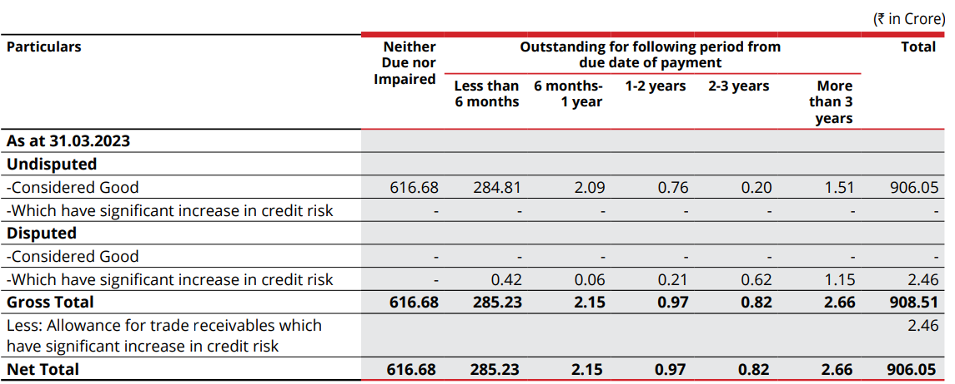

 | 616.68 | 285.23 | 2.15 | 0.97 | 0.82 | 2.66 | 908.51
 | 67.88% | 31.40% | 0.24% | 0.11% | 0.09% | 0.29%

 | Particular | FY2015 | FY2016 | FY2017 | FY2018 | FY2019 | FY2020 | FY2021 | FY2022 | FY2023 |  | Median | Average

 | Revenue | 6,625.00 | 5,690.00 | 8,487.00 | 9,834.00 | 12,554.90 | 12,867.90 | 13,559.70 | 15,009.10 | 17,852.70
 | Other Current Assets | 32.20 | 303.27 | 781.23 | 1,121.05 | 1,182.40 | 1,248.19 | 1,163.72 | 1,218.28 | 1,264.99

 | Other Current Assets YOY % Growth |  | 841.83% | 157.60% | 43.50% | 5.47% | 5.56% | -6.77% | 4.69% | 3.83% |  | 5.52%
 | Other Current Assets % of Revenue | 0.49% | 5.33% | 9.21% | 11.40% | 9.42% | 9.70% | 8.58% | 8.12% | 7.09% |  | 8.58% | 7.70%

 | We anticipate that other current assets will decrease to 6.50% due to a significant drop in 2023 as a percentage of revenue, along with a year-on-year decline in growth of other current assets.

# | Fixed Asset

 | Particular | FY2015 | FY2016 | FY2017 | FY2018 | FY2019 | FY2020 | FY2021 | FY2022 | FY2023
 | Gross Block | 8,649.62 | 3,872.01 | 4,635.39 | 6,547.76 | 10,620.72 | 12,407.38 | 13,705.60 | 15,921.18 | 17,819.52
 | Less: Accumulated Depreciation | 5,645.29 | 821.84 | 2,036.27 | 2,958.58 | 4,439.07 | 6,244.36 | 7,489.35 | 8,638.94 | 10,338.65 |  |  |  | Less: Land(Non Depreciable) | 709.00 | 739.00 | 892.00 | 1,110.00 | 1,326.00 | 1,646.00 | 1,917.00 | 2,323.00 | 2,613.00
 | Net Fixed Asset | 3,004.33 | 3,050.17 | 2,599.12 | 3,589.18 | 6,181.65 | 6,163.02 | 6,216.25 | 7,282.24 | 7,480.87 |  |  |  | Gross Block(Depreciable) | 7,940.62 | 3,133.01 | 3,743.39 | 5,437.76 | 9,294.72 | 10,761.38 | 11,788.60 | 13,598.18 | 15,206.52

 | Change in Gross block | - | (4,777.61) | 763.38 | 1,912.37 | 4,072.96 | 1,786.66 | 1,298.22 | 2,215.58 | 1,898.34

 | Total Assets | 7,802.60 | 9,091.40 | 10,658.29 | 14,628.62 | 14,880.41 | 19,200.37 | 20,727.09 | 23,074.49 | 25,651.66

 | Net Fixed Asset % of Total Assets | 38.50% | 33.55% | 24.39% | 24.54% | 41.54% | 32.10% | 29.99% | 31.56% | 29.16%

 | Revenue | 6,625.00 | 5,690.00 | 8,487.00 | 9,834.00 | 12,554.90 | 12,867.90 | 13,559.70 | 15,009.10 | 17,852.70

 | Change in Revenue |  | (935.00) | 2,797.00 | 1,347.00 | 2,720.90 | 313.00 | 691.80 | 1,449.40 | 2,843.60

 | Net Fixed Asset % of Total Revenue | 45.35% | 53.61% | 30.62% | 36.50% | 49.24% | 47.89% | 45.84% | 48.52% | 41.90%
 | Asset Turnover Ratio | 84.91% | 62.59% | 79.63% | 67.22% | 84.37% | 67.02% | 65.42% | 65.05% | 69.60%

 | Growth Gross Block YOY % |  | -55.23% | 19.72% | 41.26% | 62.20% | 16.82% | 10.46% | 16.17% | 11.92%

 | Gross Block Reinvestment rate |  | -1x | 11x | 5x | 3x | 7x | 10x | 7x | 9x

 | Nature of Fixed Asset | FY2015 | FY2016 | FY2017 | FY2018 | FY2019 | FY2020 | FY2021 | FY2022 | FY2023

 | Land | 709.00 | 739.00 | 892.00 | 1,110.00 | 1,326.00 | 1,646.00 | 1,917.00 | 2,323.00 | 2,613.00
 | Building | 387.00 | 356.00 | 454.00 | 639.00 | 953.00 | 1,151.00 | 1,256.00 | 1,421.00 | 1,660.00
 | Plant Machinery | 7,231.00 | 2,704.00 | 3,174.00 | 4,659.00 | 8,088.00 | 9,306.00 | 10,203.00 | 11,783.00 | 12,859.00
 | Equipments | 63.00 | 19.00 | 32.00 | 39.00 | 54.00 | 69.00 | 75.00 | 85.00 | 99.00
 | Furniture n fittings | 41.00 | 17.00 | 22.00 | 30.00 | 39.00 | 45.00 | 47.00 | 56.00 | 65.00
 | Railway sidings | 39.00 | 20.00 | 23.00 | 23.00 | 63.00 | 63.00 | 66.00 | 68.00 | 276.00
 | Vehicles | 39.00 | 14.00 | 20.00 | 26.00 | 38.00 | 52.00 | 53.00 | 95.00 | 133.00
 | Intangible Assets | 111.00 | 0.00 | 0.00 | 0.00 | 0.00 | 0.00 | 0.00 | 0.00 | 31.00
 | Other fixed assets | 30.00 | 3.00 | 18.00 | 21.00 | 61.00 | 75.00 | 88.00 | 91.00 | 84.00

 | Total Fixed Asset | 8,650.00 | 3,872.00 | 4,635.00 | 6,547.00 | 10,622.00 | 12,407.00 | 13,705.00 | 15,922.00 | 17,820.00

 | Nature of Fixed Asset- Common Size Statement | FY2015 | FY2016 | FY2017 | FY2018 | FY2019 | FY2020 | FY2021 | FY2022 | FY2023

 | Land | 8.20% | 19.09% | 19.24% | 16.95% | 12.48% | 13.27% | 13.99% | 14.59% | 14.66%
 | Building | 4.47% | 9.19% | 9.80% | 9.76% | 8.97% | 9.28% | 9.16% | 8.92% | 9.32%
 | Plant Machinery | 83.60% | 69.83% | 68.48% | 71.16% | 76.14% | 75.01% | 74.45% | 74.00% | 72.16%
 | Equipments | 0.73% | 0.49% | 0.69% | 0.60% | 0.51% | 0.56% | 0.55% | 0.53% | 0.56%
 | Furniture n fittings | 0.47% | 0.44% | 0.47% | 0.46% | 0.37% | 0.36% | 0.34% | 0.35% | 0.36%
 | Railway sidings | 0.45% | 0.52% | 0.50% | 0.35% | 0.59% | 0.51% | 0.48% | 0.43% | 1.55%
 | Vehicles | 0.45% | 0.36% | 0.43% | 0.40% | 0.36% | 0.42% | 0.39% | 0.60% | 0.75%
 | Intangible Assets | 1.28% | 0.00% | 0.00% | 0.00% | 0.00% | 0.00% | 0.00% | 0.00% | 0.17%
 | Other fixed assets | 0.35% | 0.08% | 0.39% | 0.32% | 0.57% | 0.60% | 0.64% | 0.57% | 0.47%

 | Total Fixed Asset | 100.00% | 100.00% | 100.00% | 100.00% | 100.00% | 100.00% | 100.00% | 100.00% | 100.00%

 | Particular | FY2015 | FY2016 | FY2017 | FY2018 | FY2019 | FY2020 | FY2021 | FY2022 | FY2023

 | Change in Gross block | - | (4,777.61) | 763.38 | 1,912.37 | 4,072.96 | 1,786.66 | 1,298.22 | 2,215.58 | 1,898.34
 | Depreciation and Amortization | 924.8 | 827.6 | 1214.7 | 899.4 | 1471.8 | 1807.8 | 1262.3 | 1145.9 | 1660.7
 | Maintenance Capex | 924.8 | 827.6 | 1214.7 | 899.4 | 1471.8 | 1807.8 | 1262.3 | 1145.9 | 1660.7
 | Growth Capex | 0 | 0 | 0 | 1012.97 | 2601.16 | 0 | 35.92 | 1069.68 | 237.64

 | Management Guidence for Capex

 | Jan 2024

 |  |  |  |  |  |  |  | 3125

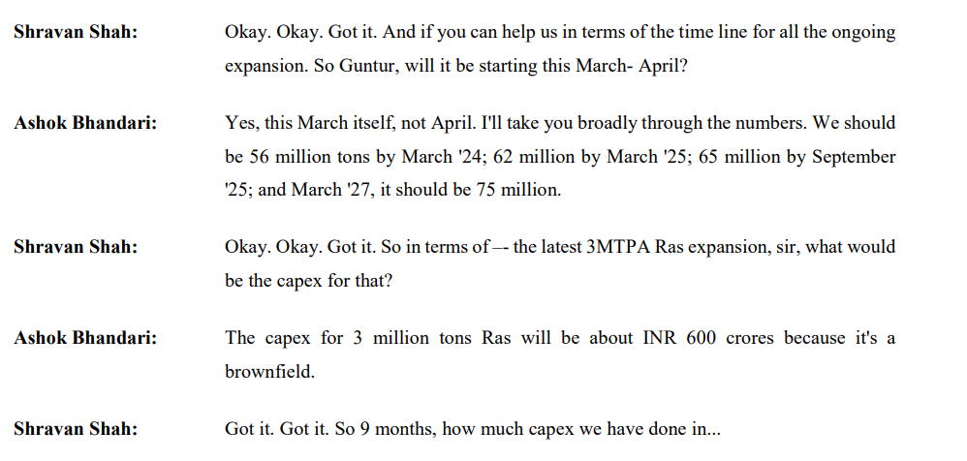

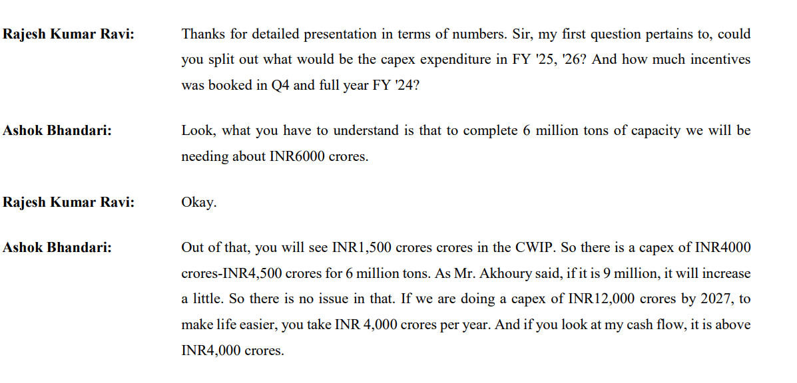

 | The management has provided guidance indicating an allocation of approximately ~12500 for capital expenditure over the next 3 years, to be funded through internal accruals.

 | Consensus estimation on Capital Expenditure

 | Particular | FY2024E | FY2025E | FY2026E |  | Median | Average |  |  | 3125

 | IDBI Capital | 2746 | 3600 | 3600 | 9946 | 3600 | 3315
 | BOB Capital | 2560 | 2309 | 2479 | 7348 | 2479 | 2449
 | Geojit Capital | 3292 | 2963 |  | 6255 | 3128 | 3128
 |  |  |  |  |  | 3128 | 2964 | 3046

 | Particular | FY2015 | FY2016 | FY2017 | FY2018 | FY2019 | FY2020 | FY2021 | FY2022 | FY2023 | FY2024 | FY2025 | FY2026 | FY2027
 | Gross Block | 8,649.62 | 3,872.01 | 4,635.39 | 6,547.76 | 10,620.72 | 12,407.38 | 13,705.60 | 15,921.18 | 17,819.52
 | Less: Accumulated Depreciation | 5,645.29 | 821.84 | 2,036.27 | 2,958.58 | 4,439.07 | 6,244.36 | 7,489.35 | 8,638.94 | 10,338.65
 | Net Fixed Asset | 3,004.33 | 3,050.17 | 2,599.12 | 3,589.18 | 6,181.65 | 6,163.02 | 6,216.25 | 7,282.24 | 7,480.87 | 10,605.87 | 13,730.87 | 16,855.87 | 19,980.87
 |  |  |  |  |  |  |  |  |  |  | 41.77% | 29.46% | 22.76% | 18.54%
 |  |  |  |  |  |  |  |  |  |  | 10,526.87 | 13,651.87 | 16,776.87 | 19,901.87
 |  |  |  |  |  |  |  |  |  |  | 40.72% | 28.72% | 22.18% | 18.07%
 |  |  |  |  |  |  |  |  |  |  |  | 30% | 23% | 19%

# | Other Non Current Asset

 | Particular | FY2015 | FY2016 | FY2017 | FY2018 | FY2019 | FY2020 | FY2021 | FY2022 | FY2023

 | Revenue | 6,762.10 | 6,362.60 | 8,994.70 | 10,222.20 | 12,804.40 | 13,146.20 | 13,998.00 | 15,558.10 | 18,322.40
 | Other Non Current Asset | - | 620.0 | 221.0 | 237.0 | 72.0 | 204.0 | 148.0 | 168.0 | 257.0
 | Other Non Current Asset % of Revenue | 0.00% | 9.74% | 2.46% | 2.32% | 0.56% | 1.55% | 1.06% | 1.08% | 1.40% |  | 1.40%

# | CWIP

 | Particular | FY2015 | FY2016 | FY2017 | FY2018 | FY2019 | FY2020 | FY2021 | FY2022 | FY2023
 | Net Fixed Asset | 3004.33 | 3050.17 | 2599.12 | 3589.18 | 6181.65 | 6163.02 | 6216.25 | 7282.24 | 7480.87
 | CWIP | 511 | 264 | 710 | 1427 | 1129 | 1198 | 997 | 1054 | 2797
 | CWIP % of Fixed Asset | 17.0% | 8.7% | 27.3% | 39.8% | 18.3% | 19.4% | 16.0% | 14.5% | 37.4%

 | Median CWIP % of Fixed Asset-Aggressive Capex | 37.4%
 | Median CWIP % of Fixed Asset-Moderate Capex | 16.5%

 | Management Guidance
 | No Concrete Guidance for Capital Work in Progress

 | Consensus Estimate | FY2024E | FY2025E | FY2026E
 | Remains Flat at 1930
 | CWIP % of Net Fixed asset | 1930 | 1930 | 1930
 |  | 18.20% | 14.06% | 11.45%

Historically, Company's CWIP has shoot up to ~37.4% of the net Fixed Asset following the years high growth the capex eventually settled down to the median of ~16.5% of net fixed Asset. Basis of overall management commentry, the company is forseeing a capex growth in the coming years. we assume CWIP to remain 37.4% of net fixed asset before settling down to 16.5% of net fixed asset.

# | Depreciation

 | Particular | FY2015 | FY2016 | FY2017 | FY2018 | FY2019 | FY2020 | FY2021 | FY2022 | FY2023 |  | Median | Average
 | Gross Block | 8,649.62 | 3,872.01 | 4,635.39 | 6,547.76 | 10,620.72 | 12,407.38 | 13,705.60 | 15,921.18 | 17,819.52
 | Less: Land(Non Depreciable) | 709.00 | 739.00 | 892.00 | 1,110.00 | 1,326.00 | 1,646.00 | 1,917.00 | 2,323.00 | 2,613.00
 | Less:Intangible Assets(Non Depreciable) | 111.00 | 0.00 | 0.00 | 0.00 | 0.00 | 0.00 | 0.00 | 0.00 | 31.00
 | Gross Block(Depreciable) | 7,829.62 | 3,133.01 | 3,743.39 | 5,437.76 | 9,294.72 | 10,761.38 | 11,788.60 | 13,598.18 | 15,175.52
 | Less: Accumulated Depreciation | 5,645.29 | 821.84 | 2,036.27 | 2,958.58 | 4,439.07 | 6,244.36 | 7,489.35 | 8,638.94 | 10,338.65
 | Net Fixed Asset(Depreciable) | 2,184.33 | 2,311.17 | 1,707.12 | 2,479.18 | 4,855.65 | 4,517.02 | 4,299.25 | 4,959.24 | 4,836.87

 | Depreciation For the year | 924.8 | 827.6 | 1,214.70 | 899.4 | 1,471.80 | 1,807.80 | 1,262.30 | 1,145.90 | 1,660.70

 | Average Life of asset | 9 | 5 | 4 | 7 | 7 | 7 | 11 | 14 | 11 |  | 7 | 8
 | Average Age of asset | 6 | 1 | 2 | 3 | 3 | 3 | 6 | 8 | 6 |  | 3 | 4
 | % of Asser Depreciated | 72.1% | 26.2% | 54.4% | 54.4% | 47.8% | 58.0% | 63.5% | 63.5% | 68.1% |  | 58.0% | 56.5%

 | Depreciation % of Net Fixed Asset | 42.34% | 35.81% | 71.15% | 36.28% | 30.31% | 40.02% | 29.36% | 23.11% | 34.33% |  | 35.81% | 38.08%

 | Depreciation % of Gross Block | 10.69% | 21.37% | 26.20% | 13.74% | 13.86% | 14.57% | 9.21% | 7.20% | 9.32% |  | 13.74% | 14.02%

 | Depreciation % of Revenue | 13.68% | 13.01% | 13.50% | 8.80% | 11.49% | 13.75% | 9.02% | 7.37% | 9.06% |  | 11.49% | 11.08%

# | Current Liabilities

 | Particular | FY2015 | FY2016 | FY2017 | FY2018 | FY2019 | FY2020 | FY2021 | FY2022 | FY2023 | FY2024

 | Trade Payables | 292.40 | 257.26 | 351.69 | 727.28 | 538.19 | 657.65 | 882.97 | 890.37 | 1,196.00 | 1,196.00
 | YOY % Growth |  | -12.0% | 36.7% | 106.8% | -26.0% | 22.2% | 34.3% | 0.8% | 34.3% | 0.0%

 | COGS | 556.9 | 674.5 | 632.0 | 690.0 | 702.7 | 977.1 | 965.0 | 1,054.0 | 1,010.5 | 1,535.0
 | Trade Payable % of COGSS | 52.5% | 38.1% | 55.6% | 105.4% | 76.6% | 67.3% | 91.5% | 84.5% | 118.4% | 77.9%
 | Trade Payable Days(COGS) | 192 Days | 139 Days | 203 Days | 385 Days | 280 Days | 246 Days | 334 Days | 308 Days | 432 Days | 284 Days
 | 365
 | Trade Payable Days(Revenue) | 16 Days | 17 Days | 15 Days | 27 Days | 16 Days | 19 Days | 24 Days | 22 Days | 24 Days | 21 Days

 | Revenue | 6,625.00 | 5,690.00 | 8,487.00 | 9,834.00 | 12,554.90 | 12,867.90 | 13,559.70 | 15,009.10 | 17,852.70 | 20,520.00

 | Trade Payable % of Revenue | 4.4% | 4.5% | 4.1% | 7.4% | 4.3% | 5.1% | 6.5% | 5.9% | 6.7% | 5.8%
 | Trade Receivable % of Revenue | 7.2% | 5.8% | 3.9% | 4.7% | 8.2% | 8.4% | 5.0% | 5.3% | 6.8% | 7.5%

The Comapny has maintained a trade payable days of ~280 days however in the past few years there is a significant increase in the payables days, The average payable days from Fy2021 to Fy2023 was ~358 dys. In the FY2024 the payable days again came down to average payable days to ~280 days.
The peer companies maintain median payable days of ~198 days which is lower than 5 year historical payable days of the company. Street estimate suggest payable level to remain flat from existing payable level.
We assume days to remain flat at ~280 days
 | Particular | FY2015 | FY2016 | FY2017 | FY2018 | FY2019 | FY2020 | FY2021 | FY2022 | FY2023 | FY2024

 | Shree Cement | 192 Days | 139 Days | 203 Days | 385 Days | 280 Days | 246 Days | 334 Days | 308 Days | 432 Days | 282 Days
 | Ultratech Cement | 154 Days | 142 Days | 150 Days | 165 Days | 165 Days | 188 Days | 234 Days | 269 Days | 271 Days | 260 Days
 | Ambuja Cement | 299 Days | 324 Days | 370 Days | 339 Days | 231 Days | 259 Days | 359 Days |  | 198 Days | 268 Days
 | ACC Cement | 173 Days | 286 Days | 337 Days | 301 Days | 198 Days | 207 Days | 243 Days | 110 Days | 121 Days | 121 Days
 | JK Cement | 196 Days | 160 Days | 222 Days | 303 Days | 179 Days | 205 Days | 204 Days | 203 Days | 188 Days | 185 Days
 | The Ramco Cement | 123 Days | 133 Days | 140 Days | 130 Days | 111 Days | 143 Days | 154 Days | 199 Days | 174 Days | 211 Days
 | JK Lakshmi Cement | 145 Days | 109 Days | 136 Days | 146 Days | 229 Days | 239 Days | 154 Days | 125 Days | 164 Days | 160 Days

 |  |  |  |  |  |  |  |  |  |  |  |  |  |  | 2017A | 2018A | 2019A | 2020A | 2021A | 2022A | 2023A | 2024A
 | Median | 164 | 142 | 186 | 233 | 189 | 206 | 219 | 199 | 181 | 198 |  |  | Payables | 352 | 727 | 538 | 658 | 883 | 890 | 1196 | 1196
 | Average | 182 | 192 | 226 | 231 | 186 | 207 | 225 | 181 | 186 | 201 |  |  | Payable Days | 203 | 385 | 280 | 246 | 334 | 308 | 432 | 284

 | Consensus Estimate(Detors Days)

 | Particular | FY2024E | FY2025E |  | Median | Average

 | GeoJit | 66.6 | 67.3 |  | 66.95 | 66.95
 | IDBI Capital | 26 | 27 |  | 26.5 | 26.5
 |  |  |  |  | 46.725 | 46.725
Payable Days
 | Management Guidance(Payables Days)

 | Particular
 | No guidance regarding Days Payables

# | Other Current Liabilities

 | We assume Other current Liabilities excluding short term borrowings to remain flat at2023 level. The short term borrowings are seprately calculated

# | Debts

 | Particular | FY2015 | FY2016 | FY2017 | FY2018 | FY2019 | FY2020 | FY2021 | FY2022 | FY2023
 | Long-Term Borrowings | 401.9 | 531 | 519 | 2208 | 2310 | 1639 | 1332 | 1298 | 581
 | YOY % Growth |  | 32.1% | -2.3% | 325.4% | 4.6% | -29.0% | -18.7% | -2.6% | -55.2% |  | -2.4% | 31.8%
 | Short-Term Borrowings | 215.1 | 195.8 | 774.4 | 1186 | 473.3 | 709.8 | 509.2 | 319.5 | 972.4
 | YOY % Growth |  | -9.0% | 295.5% | 53.2% | -60.1% | 50.0% | -28.3% | -37.3% | 204.4% |  | 20.5% | 58.5%

 | Total Borrowings | 617 | 726.8 | 1293.4 | 3394 | 2783.3 | 2348.8 | 1841.2 | 1617.5 | 1553.4
 | YOY % Growth |  | 17.8% | 78.0% | 162.4% | -18.0% | -15.6% | -21.6% | -12.1% | -4.0%

 | Long-Term Borrowings % of Total Borrowings | 65.1% | 73.1% | 40.1% | 65.1% | 83.0% | 69.8% | 72.3% | 80.2% | 37.4%
 | Short-Term Borrowings % of Total Borrowings | 34.9% | 26.9% | 59.9% | 34.9% | 17.0% | 30.2% | 27.7% | 19.8% | 62.6%

 | Revenue | 6,625.00 | 5,690.00 | 8,487.00 | 9,834.00 | 12,554.90 | 12,867.90 | 13,559.70 | 15,009.10 | 17,852.70

 | Long-Term Borrowings % of Revenue | 6.1% | 9.3% | 6.1% | 22.5% | 18.4% | 12.7% | 9.8% | 8.6% | 3.3% |  | 9.3% | 10.8%
 | Short-Term Borrowings % of Revenue | 3.2% | 3.4% | 9.1% | 12.1% | 3.8% | 5.5% | 3.8% | 2.1% | 5.4% |  | 3.8% | 5.4%

 |  |  |  |  |  |  |  |  |  |  |  | Median | Average
 | Debt to Equity | 0.12x | 0.11x | 0.17x | 0.38x | 0.29x | 0.18x | 0.12x | 0.09x | 0.08x |  | 0.12x | 0.17x
 | Debt to Capital Employed | 0.10x | 0.10x | 0.14x | 0.28x | 0.22x | 0.15x | 0.11x | 0.08x | 0.08x |  | 0.11x | 0.14x
 | Debt To Asset | 0.08x | 0.08x | 0.12x | 0.22x | 0.18x | 0.12x | 0.09x | 0.07x | 0.06x |  | 0.09x | 0.11x
 | Debt To EBITDA | 0.46x | 0.52x | 0.55x | 1.37x | 1.00x | 0.63x | 0.45x | 0.44x | 0.53x |  | 0.53x | 0.66x

 | Management Guidance
In Recent Years, the company has substantially reduced it's long term debts from ~65% of total debts in 2015
to ~37%in 2023 with debt to equity ratio at 0.12x, debt to Capital employesd at 0.11x, Debt to Asset at 0.09x and debt to EBITDA at 0.53x. The Management aims at reducing the amount of debt as they focus of capex through internal accural, however three is no clear guidance as to how much they are going to reduce the debt.
We assume, the long term Debt to grow to 8% and eventually grow at 4% for future. Also, the short term debt to grow at 5
% of revenue.
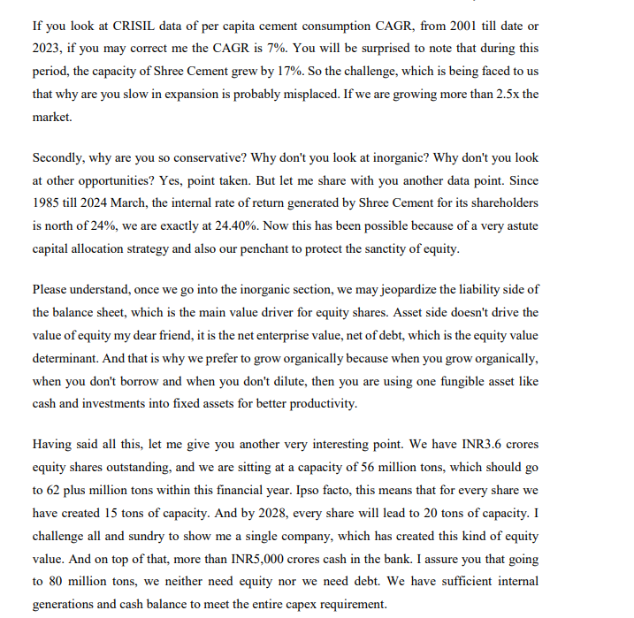

 |  |  |  |  | 2017A | 2018A | 2019A | 2020A | 2021A | 2022A | 2023A | 2024A
 |  |  |  | Long term Borrowings | 519 | 2,208 | 2,310 | 1,639 | 1,332 | 1,298 | 581 | 713
 |  |  |  | Short term Borrowings | 774 | 1,186 | 473 | 710 | 509 | 320 | 972 | 476
 |  |  |  | Total Borrowings | 1,293 | 3,394 | 2,783 | 2,349 | 1,841 | 1,618 | 1,553 | 1,189
 |  |  |  | LTB % TB | 40% | 65% | 83% | 70% | 72% | 80% | 37% | 60%
 |  |  |  | STB % TB | 60% | 35% | 17% | 30% | 28% | 20% | 63% | 40%

Borrowings

# | Debts

 | Particular | FY2017 | FY2018 | FY2019 | FY2020 | FY2021 | FY2022 | FY2023

 | Total Borrowings | 1293.4 | 3394 | 2783.3 | 2348.8 | 1841.2 | 1617.5 | 1553.4
 | Interest Cost | 129.9 | 135.4 | 247.4 | 291.8 | 251.3 | 216.5 | 263.3
 | Interest Cost % of Total brrowings | 10.0% | 4.0% | 8.9% | 12.4% | 13.6% | 13.4% | 16.9%

 | Particular | Intrest Rate | Amount
 |  | 7.81% | 455
 |  | 7.82% | 246
 |  | 7.96% | 363
 |  | 8.10% | 109
 |  | 7.89%

# | Other Income

 | Particular | FY2017 | FY2018 | FY2019 | FY2020 | FY2021 | FY2022 | FY2023
 | Revenue | 8946 | 9433 | 11457 | 12083 | 16543 | 10426 | 12065
 | Other Income | 507.1 | 389.5 | 249.8 | 277.9 | 438.6 | 548.4 | 465.5

 | Other Income % of Revenue | 5.7% | 4.1% | 2.2% | 2.3% | 2.7% | 5.3% | 3.9%

 |  |  | We assume Other income to remain flat at 3.9% of total Revenue

 | Other Equity

 | Particular | FY2017 | FY2018 | FY2019 | FY2020 | FY2021 | FY2022 | FY2023
 | Dividend | 484.6 | 184.3 | 240.7 | 628.4 | 11.1 | 384.3 | 324.5
 | Total Net Profit | 1338.4 | 1384.7 | 1016.6 | 1543.5 | 2291 | 2334.5 | 1269.4

 | Dividend Payout Ratio | 36.2% | 13.3% | 23.7% | 40.7% | 0.5% | 16.5% | 25.6%

 | Cash Analysis

 | Particular | FY2017 | FY2018 | FY2019 | FY2020 | FY2021 | FY2022 | FY2023 | FY2024 | FY2025 | FY2026 | FY2027 | FY2028
 | Cash | 110.7 | 120.6 | 438.9 | 614.5 | 708 | 289.4 | 161.1 | 422 | 2837 | 4017 | 5472 | 7283
 | Total Revenue | 8487 | 9834 | 12554.9 | 12867.9 | 13559.7 | 15009.1 | 17852.7 | 20520 | 22142 | 25257 | 28627 | 32238

 | Cash % of Total Revenue | 1.3% | 1.2% | 3.5% | 4.8% | 5.2% | 1.9% | 0.9% | 2.1% | 12.2% | 15.3% | 18.5% | 22.0%

 | Cash | 110.7 | 120.6 | 438.9 | 614.5 | 708 | 289.4 | 161.1 | 421.8 | 2836.6 | 4016.8 | 5472.5 | 7282.9
 | Total Assets | 11163.76 | 15140.24 | 15494.36 | 19945.2 | 21513.46 | 23748.13 | 26335.03 | 27926 | 32321 | 35140 | 37676 | 39712

 | Cash % of Total Revenue | 1.0% | 0.8% | 2.8% | 3.1% | 3.3% | 1.2% | 0.6% | 1.5% | 8.8% | 11.4% | 14.5% | 18.3%

Product Wise Revenue Breakup
 |  |  |  |  |  |  |  |  |  |  |  |  |  |  |  |  |  |  |  |  |  |  |  |  | Shree Cement Ltd was incorporated in the year 1979. The company is presently promoted by Calcutta-based industrialists Hari M Bangur. Shree Cement is engaged in manufacturing and selling of cement and cement related products and is ** one of the lowest cost producers in the country. It is the 3rd largest cement producer in India with an installed capacity of 46.4 MTPA.
 |  |  |  |  |  |  |  |  |  |  |  |  |  |  |  |  |  |  |  |  |  |  |  |  | . The company's manufacturing operations are spread over North and East India, The Co. has 4 fully integrated cement manufacturing plants and 10 grinding units across 10 states in India. Their manufacturing units are located at Beawar, Ras, Khushkhera Suratgarh and Jobner (Jaipur) in Rajasthan, Laksar (Roorkee) in Uttarakhand, Aurangabad in Bihar, Panipat in Haryana, Baloda Bazar in Chhattisgarh and Bulandshahr in Uttar Pradesh. The company is headquartered in Kolkata, India.

 |  |  |  |  |  |  |  |  |  |  |  |  |  |  |  |  |  |  |  |  |  |  |  |  | The company specializes in producing high-quality cement and markets its products under several well-known brand names, including Roofon, Bangur Power, Shree Jung Rodhak, Bangur Cement, and Rock Strong. Their extensive product lineup includes various types of cement, such as Portland Pozzolana Cement, Ordinary Portland Cement, Portland Slag Cement and AAC Blocks.
 |  |  | Cement | 89%
 |  |  | Clinker | 4%
 |  |  | Power | 3%
 |  |  | others | 4%

 |  |  |  |  |  |  |  |  |  |  |  |  |  |  |  |  |  |  |  |  |  |  |  |  | The company specializes in producing high-quality cement and markets its products under several well-known brand names, including Roofon, Bangur Power, Shree Jung Rodhak, Bangur Cement, and Rock Strong. Their extensive product lineup includes various types of cement, such as Portland Pozzolana Cement, Ordinary Portland Cement, Portland Slag Cement and AAC Blocks.

 |  | Date | Price
 |  | 2024-11-18 | 23,935
 |  | 2024-11-14 | 24,092
 |  | 2024-11-13 | 24,049
 |  | 2024-11-12 | 24,373
 |  | 2024-11-11 | 24,418 |  |  |  |  |  |  |  |  |  |  |  |  |  |  |  |  |  |  |  |  |  | The past four years have put the resilience of the global economy to the test. A once-in-a-century pandemic, eruption of geopolitical conflicts, and extreme weather events have disrupted supply chains, caused energy and food crises, and prompted governments to take unprecedented actions to protect lives and livelihoods. The global economy has demonstrated resilience overall, but this masks uneven performance across regions and lingering fragilities.
 |  | 2024-11-08 | 24,533 |  |  |  |  |  |  |  |  |  |  |  |  |  |  |  |  |  |  |  |  |  | The sharpest contrasts are between advanced and developing economies. Whereas the former have caught up with activity and inflation projected before the pandemic, the latter are showing more permanent scars
 |  | 2024-11-07 | 24,779 |  |  |  |  |  |  |  |  |  |  |  |  |  |  |  |  |  |  |  |  |  | with large output shortfalls and persistent inflation
 |  | 2024-11-06 | 25,009 |  |  |  |  |  |  |  |  |  |  |  |  |  |  |  |  |  |  |  |  |  | Global growth, is projected to remain at 3.1% in 2024 and 3.2% in 2025. Nevertheless, the projection for global growth in 2024 and 2025 is below the historical (2000–2019) annual average of 3.8%, reflecting restrictive monetary policies and withdrawal of fiscal support, as well as low underlying productivity growth.
 |  | 2024-11-05 | 24,696 |  |  |  |  |  |  |  |  |  |  |  |  |  |  |  |  |  |  |  |  |  | World trade growth is projected at 3.3% in 2024 and 3.6% in 2025, below its historical average growth rate of 4.9%. Rising trade distortions and geoeconomic fragmentation are expected to continue to weigh on the level of global trade
 |  | 2024-11-04 | 24,865 |  |  |  |  |  |  |  |  |  |  |  |  |  |  |  |  |  |  |  |  |  | Annual average oil prices are projected to fall by about 2.3% in 2024, whereas non-fuel commodity prices are expected to fall by 0.9%.
 |  | 2024-11-01 | 25,241 |  |  |  |  |  |  |  |  |  |  |  |  |  |  |  |  |  |  |  |  |  | Advanced economies growth is projected to decline slightly from 1.6% in 2023 to 1.5% in 2024, before rising to 1.8% in 2025.
 |  | 2024-10-31 | 25,072 |  |  |  |  |  |  |  |  |  |  |  |  |  |  |  |  |  |  |  |  |  | In emerging and developing Asia, growth is expected to decline from 5.4% in 2023, 5.2% in 2024 to 4.8% in 2025.
 |  | 2024-10-30 | 25,351
 |  | 2024-10-29 | 25,332
 |  | 2024-10-28 | 25,056
 |  | 2024-10-25 | 24,957
 |  | 2024-10-24 | 25,065
 |  | 2024-10-23 | 24,710
 |  | 2024-10-22 | 24,434
 |  | 2024-10-21 | 24,298
 |  | 2024-10-18 | 24,325
 |  | 2024-10-17 | 24,245 |  |  |  |  |  |  |  |  |  |  |  |  |  |  |  |  |  |  |  |  |  | The past four years have put the resilience of the global economy to the test. A once-in-a-century pandemic, eruption of geopolitical conflicts, and extreme weather events have disrupted supply chains, caused energy and food crises, and prompted governments to take unprecedented actions to protect lives and livelihoods. The global economy has demonstrated resilience overall, but this masks uneven performance across regions and lingering fragilities.
 |  | 2024-10-16 | 24,440
 |  | 2024-10-15 | 24,719
 |  | 2024-10-14 | 24,572
 |  | 2024-10-11 | 24,337
 |  | 2024-10-10 | 24,642
 |  | 2024-10-09 | 24,975
 |  | 2024-10-08 | 25,583
 |  | 2024-10-07 | 25,376
 |  | 2024-10-04 | 26,034
 |  | 2024-10-03 | 26,259
 |  | 2024-10-01 | 26,523
 |  | 2024-09-30 | 26,309
 |  | 2024-09-27 | 26,248
 |  | 2024-09-26 | 26,123
 |  | 2024-09-25 | 25,904
 |  | 2024-09-24 | 25,912
 |  | 2024-09-23 | 25,958
 |  | 2024-09-20 | 25,142
 |  | 2024-09-19 | 24,932
 |  | 2024-09-18 | 25,077
 |  | 2024-09-17 | 25,437
 |  | 2024-09-16 | 25,619
 |  | 2024-09-13 | 25,883
 |  | 2024-09-12 | 26,020
 |  | 2024-09-11 | 25,614
 |  | 2024-09-10 | 25,725
 |  | 2024-09-09 | 25,799
 |  | 2024-09-06 | 25,610
 |  | 2024-09-05 | 25,662
 |  | 2024-09-04 | 25,771
 |  | 2024-09-03 | 25,508
 |  | 2024-09-02 | 25,427
 |  | 2024-08-30 | 25,482
 |  | 2024-08-29 | 24,821
 |  | 2024-08-28 | 24,692
 |  | 2024-08-27 | 24,813
 |  | 2024-08-26 | 24,906
 |  | 2024-08-23 | 24,706
 |  | 2024-08-22 | 25,012
 |  | 2024-08-21 | 24,808
 |  | 2024-08-20 | 24,731
 |  | 2024-08-19 | 24,849
 |  | 2024-08-16 | 24,643
 |  | 2024-08-14 | 24,339
 |  | 2024-08-13 | 24,206
 |  | 2024-08-12 | 24,408
 |  | 2024-08-09 | 24,297
 |  | 2024-08-08 | 24,143
 |  | 2024-08-07 | 25,099
 |  | 2024-08-06 | 26,101
 |  | 2024-08-05 | 26,835
 |  | 2024-08-02 | 27,295
 |  | 2024-08-01 | 27,769
 |  | 2024-07-31 | 27,740
 |  | 2024-07-30 | 27,314
 |  | 2024-07-29 | 27,238
 |  | 2024-07-26 | 27,567
 |  | 2024-07-25 | 27,484
 |  | 2024-07-24 | 27,552
 |  | 2024-07-23 | 28,162
 |  | 2024-07-22 | 27,920
 |  | 2024-07-19 | 27,284
 |  | 2024-07-18 | 28,062
 |  | 2024-07-16 | 27,907
 |  | 2024-07-15 | 27,617
 |  | 2024-07-12 | 27,666
 |  | 2024-07-11 | 27,773
 |  | 2024-07-10 | 27,905
 |  | 2024-07-09 | 27,776
 |  | 2024-07-08 | 27,193
 |  | 2024-07-05 | 27,529
 |  | 2024-07-04 | 27,459
 |  | 2024-07-03 | 27,384
 |  | 2024-07-02 | 27,698
 |  | 2024-07-01 | 28,353
 |  | 2024-06-28 | 27,870
 |  | 2024-06-27 | 27,832
 |  | 2024-06-26 | 27,499
 |  | 2024-06-25 | 27,218
 |  | 2024-06-24 | 27,319
 |  | 2024-06-21 | 27,404
 |  | 2024-06-20 | 27,698
 |  | 2024-06-19 | 27,443
 |  | 2024-06-18 | 27,462
 |  | 2024-06-14 | 27,538
 |  | 2024-06-13 | 27,491
 |  | 2024-06-12 | 27,539
 |  | 2024-06-11 | 27,064
 |  | 2024-06-10 | 27,240
 |  | 2024-06-07 | 26,078
 |  | 2024-06-06 | 25,636
 |  | 2024-06-05 | 25,481
 |  | 2024-06-04 | 24,883
 |  | 2024-06-03 | 25,309
 |  | 2024-05-31 | 24,681
 |  | 2024-05-30 | 25,062
 |  | 2024-05-29 | 25,326
 |  | 2024-05-28 | 25,635
 |  | 2024-05-27 | 25,415
 |  | 2024-05-24 | 25,456
 |  | 2024-05-23 | 25,677
 |  | 2024-05-22 | 25,679
 |  | 2024-05-21 | 25,833
 |  | 2024-05-18 | 26,289
 |  | 2024-05-17 | 26,306
 |  | 2024-05-16 | 25,686
 |  | 2024-05-15 | 25,820
 |  | 2024-05-14 | 26,025
 |  | 2024-05-13 | 25,993
 |  | 2024-05-10 | 25,661
 |  | 2024-05-09 | 25,501
 |  | 2024-05-08 | 25,660
 |  | 2024-05-07 | 25,396
 |  | 2024-05-06 | 25,537
 |  | 2024-05-03 | 25,747
 |  | 2024-05-02 | 24,827
 |  | 2024-04-30 | 24,445
 |  | 2024-04-29 | 24,145
 |  | 2024-04-26 | 24,141
 |  | 2024-04-25 | 23,972
 |  | 2024-04-24 | 24,369
 |  | 2024-04-23 | 24,378
 |  | 2024-04-22 | 24,396
 |  | 2024-04-19 | 24,369
 |  | 2024-04-18 | 24,426
 |  | 2024-04-16 | 24,883
 |  | 2024-04-15 | 25,296
 |  | 2024-04-12 | 25,491
 |  | 2024-04-10 | 25,610
 |  | 2024-04-09 | 25,992
 |  | 2024-04-08 | 25,955
 |  | 2024-04-05 | 25,811
 |  | 2024-04-04 | 25,910
 |  | 2024-04-03 | 26,354
 |  | 2024-04-02 | 26,533
 |  | 2024-04-01 | 26,458
 |  | 2024-03-28 | 25,683
 |  | 2024-03-27 | 25,939
 |  | 2024-03-26 | 25,684
 |  | 2024-03-22 | 25,366
 |  | 2024-03-21 | 25,361
 |  | 2024-03-20 | 24,936
 |  | 2024-03-19 | 25,005
 |  | 2024-03-18 | 25,343
 |  | 2024-03-15 | 25,070
 |  | 2024-03-14 | 24,958
 |  | 2024-03-13 | 24,360
 |  | 2024-03-12 | 24,960
 |  | 2024-03-11 | 25,312
 |  | 2024-03-07 | 24,706
 |  | 2024-03-06 | 24,754
 |  | 2024-03-05 | 25,010
 |  | 2024-03-04 | 25,730
 |  | 2024-03-02 | 25,749
 |  | 2024-03-01 | 25,638
 |  | 2024-02-29 | 25,504
 |  | 2024-02-28 | 25,606
 |  | 2024-02-27 | 26,191
 |  | 2024-02-26 | 26,100
 |  | 2024-02-23 | 26,490
 |  | 2024-02-22 | 26,603
 |  | 2024-02-21 | 26,345
 |  | 2024-02-20 | 26,525
 |  | 2024-02-19 | 26,815
 |  | 2024-02-16 | 26,298
 |  | 2024-02-15 | 26,333
 |  | 2024-02-14 | 26,898
 |  | 2024-02-13 | 27,250
 |  | 2024-02-12 | 27,266
 |  | 2024-02-09 | 27,630
 |  | 2024-02-08 | 27,370
 |  | 2024-02-07 | 28,116
 |  | 2024-02-06 | 27,569
 |  | 2024-02-05 | 26,955
 |  | 2024-02-02 | 28,454
 |  | 2024-02-01 | 29,614
 |  | 2024-01-31 | 28,556
 |  | 2024-01-30 | 28,078
 |  | 2024-01-29 | 28,412
 |  | 2024-01-25 | 27,949
 |  | 2024-01-24 | 27,635
 |  | 2024-01-23 | 27,494
 |  | 2024-01-20 | 27,594
 |  | 2024-01-19 | 26,650
 |  | 2024-01-18 | 26,477
 |  | 2024-01-17 | 26,137
 |  | 2024-01-16 | 27,082
 |  | 2024-01-15 | 26,814
 |  | 2024-01-12 | 26,874
 |  | 2024-01-11 | 26,910
 |  | 2024-01-10 | 26,842
 |  | 2024-01-09 | 27,313
 |  | 2024-01-08 | 27,330
 |  | 2024-01-05 | 27,023
 |  | 2024-01-04 | 28,358
 |  | 2024-01-03 | 28,222
 |  | 2024-01-02 | 28,089
 |  | 2024-01-01 | 28,462
 |  | 2023-12-29 | 28,653
 |  | 2023-12-28 | 28,602
 |  | 2023-12-27 | 28,645
 |  | 2023-12-26 | 28,607
 |  | 2023-12-22 | 28,187
 |  | 2023-12-21 | 28,214
 |  | 2023-12-20 | 28,253
 |  | 2023-12-19 | 28,586
 |  | 2023-12-18 | 28,557
 |  | 2023-12-15 | 28,759
 |  | 2023-12-14 | 28,733
 |  | 2023-12-13 | 28,537
 |  | 2023-12-12 | 28,607
 |  | 2023-12-11 | 28,303
 |  | 2023-12-08 | 27,670
 |  | 2023-12-07 | 28,021
 |  | 2023-12-06 | 27,799
 |  | 2023-12-05 | 28,004
 |  | 2023-12-04 | 27,717
 |  | 2023-12-01 | 27,027
 |  | 2023-11-30 | 26,742
 |  | 2023-11-29 | 26,107
 |  | 2023-11-28 | 26,067
 |  | 2023-11-24 | 25,645
 |  | 2023-11-23 | 25,922
 |  | 2023-11-22 | 25,997
 |  | 2023-11-21 | 25,937
 |  | 2023-11-20 | 25,954

 |  | 2017A | 2018A | 2019A | 2020A | 2021A | 2022A | 2023A | 2024A | 2025F | 2026F | 2027F | 2028F
 | Revenue | 8487 | 9834 | 12555 | 12868 | 13560 | 15009 | 17853 | 20520 | 23588 | 26939 | 30564 | 34449
 | YOY Growth % |  | 15.9% | 27.7% | 2.5% | 5.4% | 10.7% | 18.9% | 14.9% | 14.9% | 14.2% | 13.5% | 12.7%

Revenue Growth
 | Revenue | YOY Growth %
2017A | 8487
2018A | 9834 | 15.9%
2019A | 12555 | 27.7%
2020A | 12868 | 2.5%
2021A | 13560 | 5.4%
2022A | 15009 | 10.7%
2023A | 17853 | 18.9%
2024A | 20520 | 14.9%
2025A | 23588 | 14.9%
2026A | 26939 | 14.2%
2027A | 30564 | 13.5%
2028A | 34449 | 12.7%

Past Data
The past four years have put the resilience of the global economy to the test. A once-in-a-century pandemic, eruption of geopolitical conflicts, and extreme weather events have disrupted supply chains, caused energy and food crises, and prompted governments to take unprecedented actions to protect lives and livelihoods. The global economy has demonstrated resilience overall, but this masks uneven performance across regions and lingering fragilities.
The sharpest contrasts are between advanced and developing economies. Whereas the former have caught up with activity and inflation projected before the pandemic, the latter are showing more permanent scars |  |  |  |  |  |  |  |  |  |  |  |  |  |  |  |  |  | 2017A | 2018A | 2019A | 2020A | 2021A | 2022A | 2023A | 2024A | 2025F | 2026F | 2027F | 2028F
with large output shortfalls and persistent inflation |  |  |  |  |  |  |  |  |  |  |  |  |  |  |  |  |  | 91.87% | 92.85% | 92.22% | 92.50% | 92.23% | 93.27% | 92.33% | 92.52% | 91.90% | 91.97% | 92.03% | 92.10%
Global growth, is projected to remain at 3.1% in 2024 and 3.2% in 2025. Nevertheless, the projection for global growth in 2024 and 2025 is below the historical (2000–2019) annual average of 3.8%, reflecting restrictive monetary policies and withdrawal of fiscal support, as well as low underlying productivity growth.
Gross Margins
World trade growth is projected at 3.3% in 2024 and 3.6% in 2025, below its historical average growth rate of 4.9%. Rising trade distortions and geoeconomic fragmentation are expected to continue to weigh on the level of global trade
Annual average oil prices are projected to fall by about 2.3% in 2024, whereas non-fuel commodity prices are expected to fall by 0.9%.
Advanced economies growth is projected to decline slightly from 1.6% in 2023 to 1.5% in 2024, before rising to 1.8% in 2025.
In emerging and developing Asia, growth is expected to decline from 5.4% in 2023, 5.2% in 2024 to 4.8% in 2025.

The past four years have put the resilience of the global economy to the test. A once-in-a-century pandemic, eruption of geopolitical conflicts, and extreme weather events have disrupted supply chains, caused energy and food crises, and prompted governments to take unprecedented actions to protect lives and livelihoods. The global economy has demonstrated resilience overall, but this masks uneven performance across regions and lingering fragilities. The sharpest contrasts are between advanced and developing economies. Whereas the former have caught up with activity and inflation projected before the pandemic, the latter are showing more permanent scars with large output shortfalls and persistent inflation.
Global growth, is projected to remain at 3.1% in 2024 and 3.2% in 2025. Nevertheless, the projection for global growth in 2024 and 2025 is below the historical (2000–2019) annual average of 3.8%, reflecting restrictive monetary policies and withdrawal of fiscal support, as well as low underlying productivity growth.
World trade growth is projected at 3.3% in 2024 and 3.6% in 2025, below its historical average growth rate of 4.9%. Rising trade distortions and geoeconomic fragmentation are expected to continue to weigh on the level of global trade Annual average oil prices are projected to fall by about 2.3% in 2024, whereas non-fuel commodity prices are expected to fall by 0.9%.
Advanced economies growth is projected to decline slightly from 1.6% in 2023 to 1.5% in 2024, before rising to 1.8% in 2025. In emerging and developing Asia, growth is expected to decline from 5.4% in 2023, 5.2% in 2024 to 4.8% in 2025.

Global GDP Projection (%)
 | 2023A | 2024P | 2024P
World Output | 3.3% | 3.2% | 3.2%
Advanced Economies | 1.7% | 1.8% | 2.8%
Emerging Economies | 4.4% | 4.2% | 4.2%
US | 2.9% | 2.8% | 2.2%
China | 5.2% | 4.8% | 4.5%
India | 8.2% | 7.0% | 6.5%

 |  | 2023A | 2024P | 2024P

 | World Output | 3.3% | 3.2% | 3.2%
 | Advanced Economies | 1.7% | 1.8% | 2.8%
 | Emerging Economies | 4.4% | 4.2% | 4.2%
 | US | 2.9% | 2.8% | 2.2%
 | China | 5.2% | 4.8% | 4.5%
 | India | 8.2% | 7.0% | 6.5%

The Indian economy demonstrates resilience and maintainshealthy macroeconomic fundamentals, despite uncertainty from adverse geopolitical developments.As per the provisional estimates, the Indian economy has registered a GDP growth rate of 8.2% in FY 2023-24, up from 7.0%in FY 2022-23. This robust growth is likely to have been driven by enhanced performance across key sectors, including mining and quarrying, manufacturing, and select areas of the services sector. India is currently the fifth-largest economy with a GDP of $ 3.7 trillion economy in the world and is expected to continue to clock the highest GDP growth rate among the top five economies in the foreseeable future.India’s GDP is expected to grow at a rate of 7.0% in both 2024-25 and 2025-26, according to RBI estimates. This exceeds IMF forecasts, which peg the growth of the Indian economy at 6.8% in 2024-25 and 6.5% in 2025-26 . India still shines as a ‘bright spot’ on the global map, despite geopolitical conflicts and economic headwinds retaining its position as the fastest-growing nation in the world and on a growth trajectory to achieve a $ 5 trillion mark GDP by 2027, thereby becoming third-largest economy in the world.

In India, the outlook is for GDP growth to moderate from 8.2 percent in 2023 to 7 percent in 2024 and 6.5 percent in 2025, because pent-up demand accumulated during the pandemic has been exhausted, as the economy reconnects with its potential.

India GDP Vs Global GDP

 |  |  |  | India | Global
 |  |  | 2018A | 6.80% | 3.30%
 |  |  | 2019A | 6.50% | 2.60%
 |  |  | 2020A | 3.90% | -3.10%
 |  |  | 2021A | -5.80% | 6.10%
 |  |  | 2022A | 9.70% | 3.08%
 |  |  | 2023A | 7.20% | 3.20%
 |  |  | 2024P | 6.80% | 3.20%
 |  |  | 2025P | 6.50% | 3.20%

 |  |  |  |  |  |  |  |  |  | 2017A | 2018A | 2019A | 2020A | 2021A | 2022A | 2023A | 2024A
 |  |  |  |  |  |  |  |  | Inventory Days(COGS) | 1,314.50 | 1,569.02 | 1,870.31 | 1,713.49 | 1,715.72 | 2,497.02 | 2,759.68 | 3,555.07
 |  |  |  |  |  |  |  |  | Inventory Days | 563 | 750 | 642 | 678 | 594 | 761 | 701 | 751
Inventory Days

India GDP Quaterly Growth Rate Actual Vs Projected

 |  |  |  |  |  |  |  |  |  |  |  | Actual | projected
 |  |  |  |  |  |  |  |  |  |  | FY 2021 (Q3) | 5.40% | 6.00%
 |  |  |  |  |  |  |  |  |  |  | FY 2021 (Q3) | 5.40% | 6.00%
 |  |  |  |  |  |  |  |  |  |  | FY 2021 (Q4) | 4.10% | 4.00%
 |  |  |  |  |  |  |  |  |  |  | FY 2022 (Q1) | 13.50% | 15.20%
 |  |  |  |  |  |  |  |  |  |  | FY 2022 (Q2) | 6.30% | 6.20%
 |  |  |  |  |  |  |  |  |  |  | FY 2022 (Q3) | 4.40% | 4.60%
 |  |  |  |  |  |  |  |  |  |  | FY 2022 (Q4) | 6.10% | 4.60%
 |  |  |  |  |  |  |  |  |  |  | FY 2023 (Q1) | 7.80% | 7.70%
 |  |  |  |  |  |  |  |  |  |  | FY 2023 (Q2) | 7.60% | 6.80%
 |  |  |  |  |  |  |  |  |  |  | FY 2023 (Q3) | 8.40% | 6.60%
 |  |  |  |  |  |  |  |  |  |  | FY 2023 (Q4) | 7.80% | 6.70%
 |  |  |  |  |  |  |  |  |  |  | FY 2024 (Q1) | 6.70% | 6.90%

 |  |  |  |  |  |  | 2017A | 2018A | 2019A | 2020A | 2021A | 2022A | 2023A | 2024A
 |  |  |  |  |  |  | 323 | 333 | 208 | 193 | 337 | 234 | 268
 |  |  |  |  |  |  | 195 | 226 | 214 | 234 | 207 | 256 | 248 | 255
 |  |  |  |  |  |  | 292 | 269 | 257 | 288 | 257 | 343 | 223 | 235
 |  |  |  |  |  |  | 114 | 125 | 148 | 179 | 215 | 283 | 215 | 177
 |  |  |  |  |  |  | 189 | 186 | 211 | 204 | 180 | 234 | 242 | 164
 |  |  |  |  |  | Industry inventory Days | 223 | 228 | 208 | 220 | 239 | 270 | 239 | 208
 |  |  |  |  |  | shree cement inventory Days | 563 | 750 | 642 | 678 | 594 | 761 | 701 | 751

Industry vs Shree Cement Inventory Days

WACC
Shree Cement Ltd
Weighted Average cost of Capital

Particular | Low | Mid | High |  | Risk Free Rate

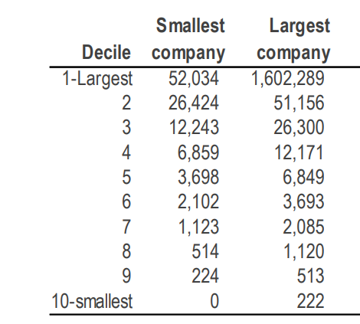
Risk Free Rate | 4.83% | 4.83% | 4.83% |  | we have Considered 4.83% as the risk Free rate in estimation ofcost of Equity of 8.30%.The Risk Free Rate of India is calculated by considering local currency 10y Govt.Bond yield adjusted for default spread of India.
Equity Risk Premium(ERP) | 6.12% | 6.12% | 6.12%
Asset Beta | 0.65 | 0.70 | 0.75 |  | Asset Beta
D/E Ratio | 8.34% | 8.34% | 8.34%
Equity Beta | 0.69 | 0.76 | 0.81 |  | We have estimated an asset beta range of 0.65 to 0.75,with a mid point of 0.70 based on observed of median 5 year monthly asset beta of beanchmark listed company adjusted for blum effect.
CAPM Cost Of Equity | 7.56% | 8.30% | 8.90%

Small Size Premium | 2.80% | 2.80% | 2.80%
Asset Specific Risk Premium | 0.00% | 0.00% | 0.00% |  | Equity Risk Premium
Modified Cost of Equity | 10.36% | 11.10% | 11.70%
 |  |  |  |  | An ERP of 8.34%has been adopted based on US implied equity risk premium, relative equity volatility of ICE BoFA public sector issues Emerging markets index, S&P Emerging BMI index and country risk premium of India.
Pre Tax Cost of Debt | 7.82% | 7.82% | 7.82%
Marginal Tax Rate | 25% | 25% | 25%
PostTax Cost of Debt | 5.87% | 5.87% | 5.87%
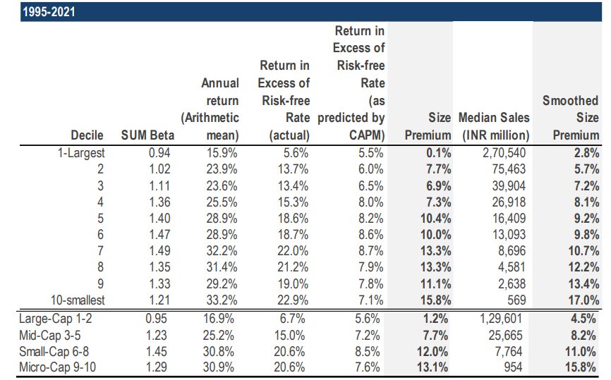
 |  |  |  |  | Cost of Debt
Capital Gearing(D/D+E) | 7.69% | 7.69% | 7.69%
Weighted Average cost of Capital | 12.92% | 13.60% | 14.15% |  | For the purpose of assessing the cost of debt, we have used country's risk free rate, country's default spread and corporate default spread based on company's debt rating and interest coverage Ratio.
Weighted Average cost of Capital Rounded | 13.00% | 14.00% | 15.00%

 |  |  |  |  | Small size Premium & Asset specific risk premium

1.Tax Rate Considered as Marginal Tax Rate of India. 2.Asset Beta is considered as 5 year average beta of comps adjusted for blum effect. 3.Equity Beta = Asset Beta*(1+(1-Tax Rate%)*debt/equity. |  |  |  |  | Empirically small sized assets have exceeded the returns as compared to large-sized assets. We have used the study on size premium conducted by incwert which is based on the difference between actual return and CAPM expected return arranged in decile basis market capitalization of Indian companies

Shree Cement LTD
Beta Analysis - 2 Year Weekly

Comparable Company | Ticker | No. Of Weekly Observations | Market Cap. | Asset Beta | 2 Years average D/E | Equity Beta | 2 Years average D/E+D | Considered? | Norrow Set
 |  |  |  |  |  |  |  |  |  | y | 25%
Ultratech Cement |  | 104 | 330063 | 1.22 | 19.20% | 1.39 | 16.10% | y | TRUE | N
Ambuja Cement |  | 104 | 153514 | 1.62 | 0.35% | 1.62 | 0.30% | N | FALSE
ACC Cement |  | 104 | 45621 | 1.66 | 0.40% | 1.66 | 0.40% | N | FALSE
JK Cement |  | 104 | 36300 | 0.80 | 99.05% | 1.39 | 49.60% | y | TRUE
The Ramco Cement |  | 104 | 19610 | 0.67 | 62.40% | 0.98 | 38.40% | y | TRUE

Median-Broad Set |  |  |  | 1.22 | 19.20% | 1.39 | 16.10%
Average-Broad Set |  |  |  | 1.19 | 36.28% | 1.41 | 20.96%

Median-Considered Set |  |  |  | 0.80 | 62.40% | 1.39 | 38.40%
Average-Considered Set |  |  |  | 0.89 | 60.22% | 1.25 | 34.70%

Shree Cement LTD
Beta Analysis - 5 Year Monthly

Comparable Company | Ticker | No. Of Weekly Observations | Market Cap. | Asset Beta | 5 Years average D/E | Equity Beta | 5 Years average D/E+D | Considered? | Norrow Set
 |  |  |  |  |  |  |  |  |  | y | 25%
Ultratech Cement |  | 60 | 330063 | 1.12 | 31.42% | 1.39 | 22.84% | y | TRUE | N
Ambuja Cement |  | 60 | 153514 | 1.62 | 0.25% | 1.62 | 0.25% | N | FALSE
ACC Cement |  | 60 | 45621 | 1.66 | 0.19% | 1.66 | 0.19% | N | FALSE
JK Cement |  | 60 | 36300 | 0.80 | 97.22% | 1.39 | 49.22% | y | TRUE
The Ramco Cement |  | 60 | 19610 | 0.68 | 59.88% | 0.98 | 37.38% | y | TRUE

Median-Broad Set |  |  |  | 1.12 | 31.42% | 1.39 | 22.84%
Average-Broad Set |  |  |  | 1.18 | 37.79% | 1.41 | 21.98%

Median-Considered Set |  |  |  | 0.80 | 59.88% | 1.39 | 37.38%
Average-Considered Set |  |  |  | 0.87 | 62.84% | 1.25 | 36.48%

 |  | 2/3 Beta + 1/3 *Market Beta
Shree Cement LTD
Blum Beta Analysis - 5 Year Monthly

Comparable Company | Ticker | No. Of Weekly Observations | Market Cap. | Asset Beta | 5 Years average D/E | Equity Beta | 5 Years average D/E+D | Considered? | Norrow Set
 |  |  |  |  |  |  |  |  |  | y | 25%
Ultratech Cement |  | 60 | 330063 | 0.98 | 31.42% | 1.21 | 22.84% | y | TRUE | N
Ambuja Cement |  | 60 | 153514 | 1.36 | 0.25% | 1.36 | 0.25% | N | FALSE
ACC Cement |  | 60 | 45621 | 1.38 | 0.19% | 1.38 | 0.19% | N | FALSE
JK Cement |  | 60 | 36300 | 0.70 | 97.22% | 1.21 | 49.22% | y | TRUE
The Ramco Cement |  | 60 | 19610 | 0.66 | 59.88% | 0.95 | 37.38% | y | TRUE

Median-Broad Set |  |  |  | 0.98 | 31.42% | 1.21 | 22.84%
Average-Broad Set |  |  |  | 1.02 | 37.79% | 1.22 | 21.98%

Median-Considered Set |  |  |  | 0.70 | 59.88% | 1.21 | 37.38%
Average-Considered Set |  |  |  | 0.78 | 62.84% | 1.13 | 36.48%

we are taking 0.70 as asset beta for Cement units

